Myotomes
Motor action | Image | Nerve root(s)
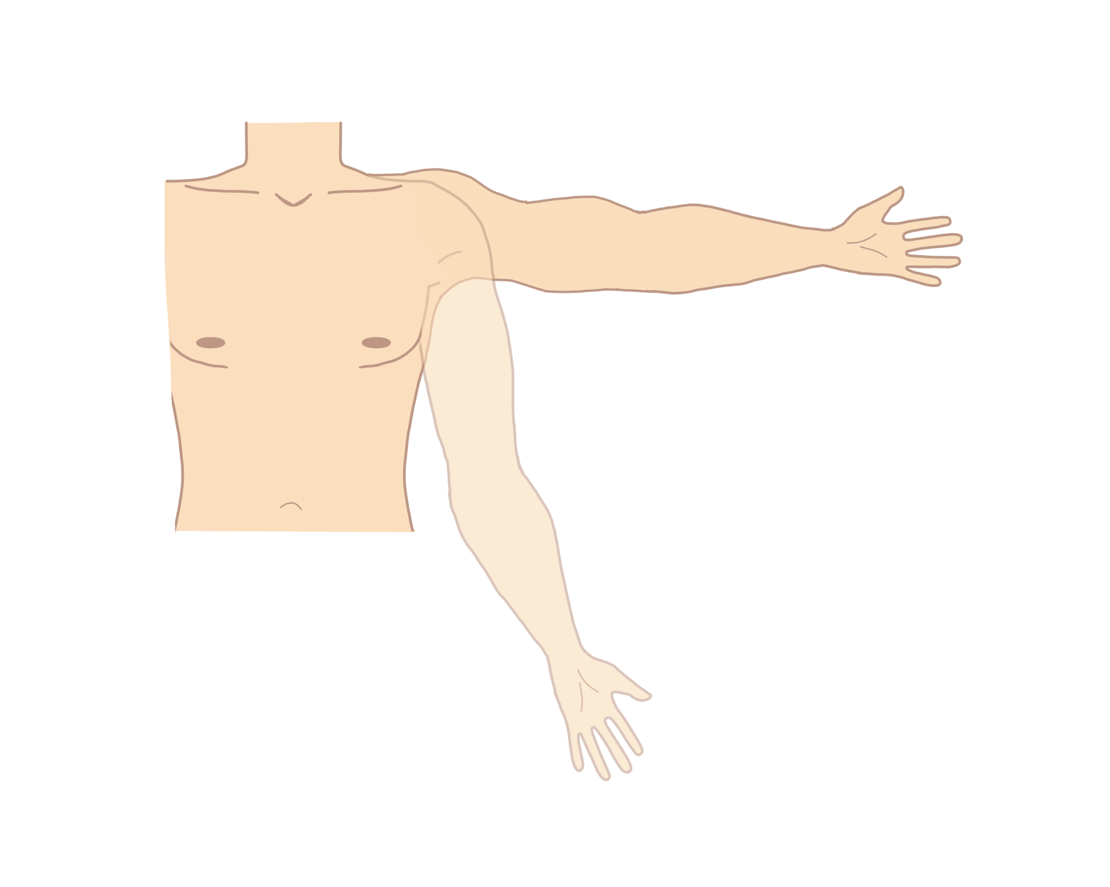
Shoulder abduction |  | C5

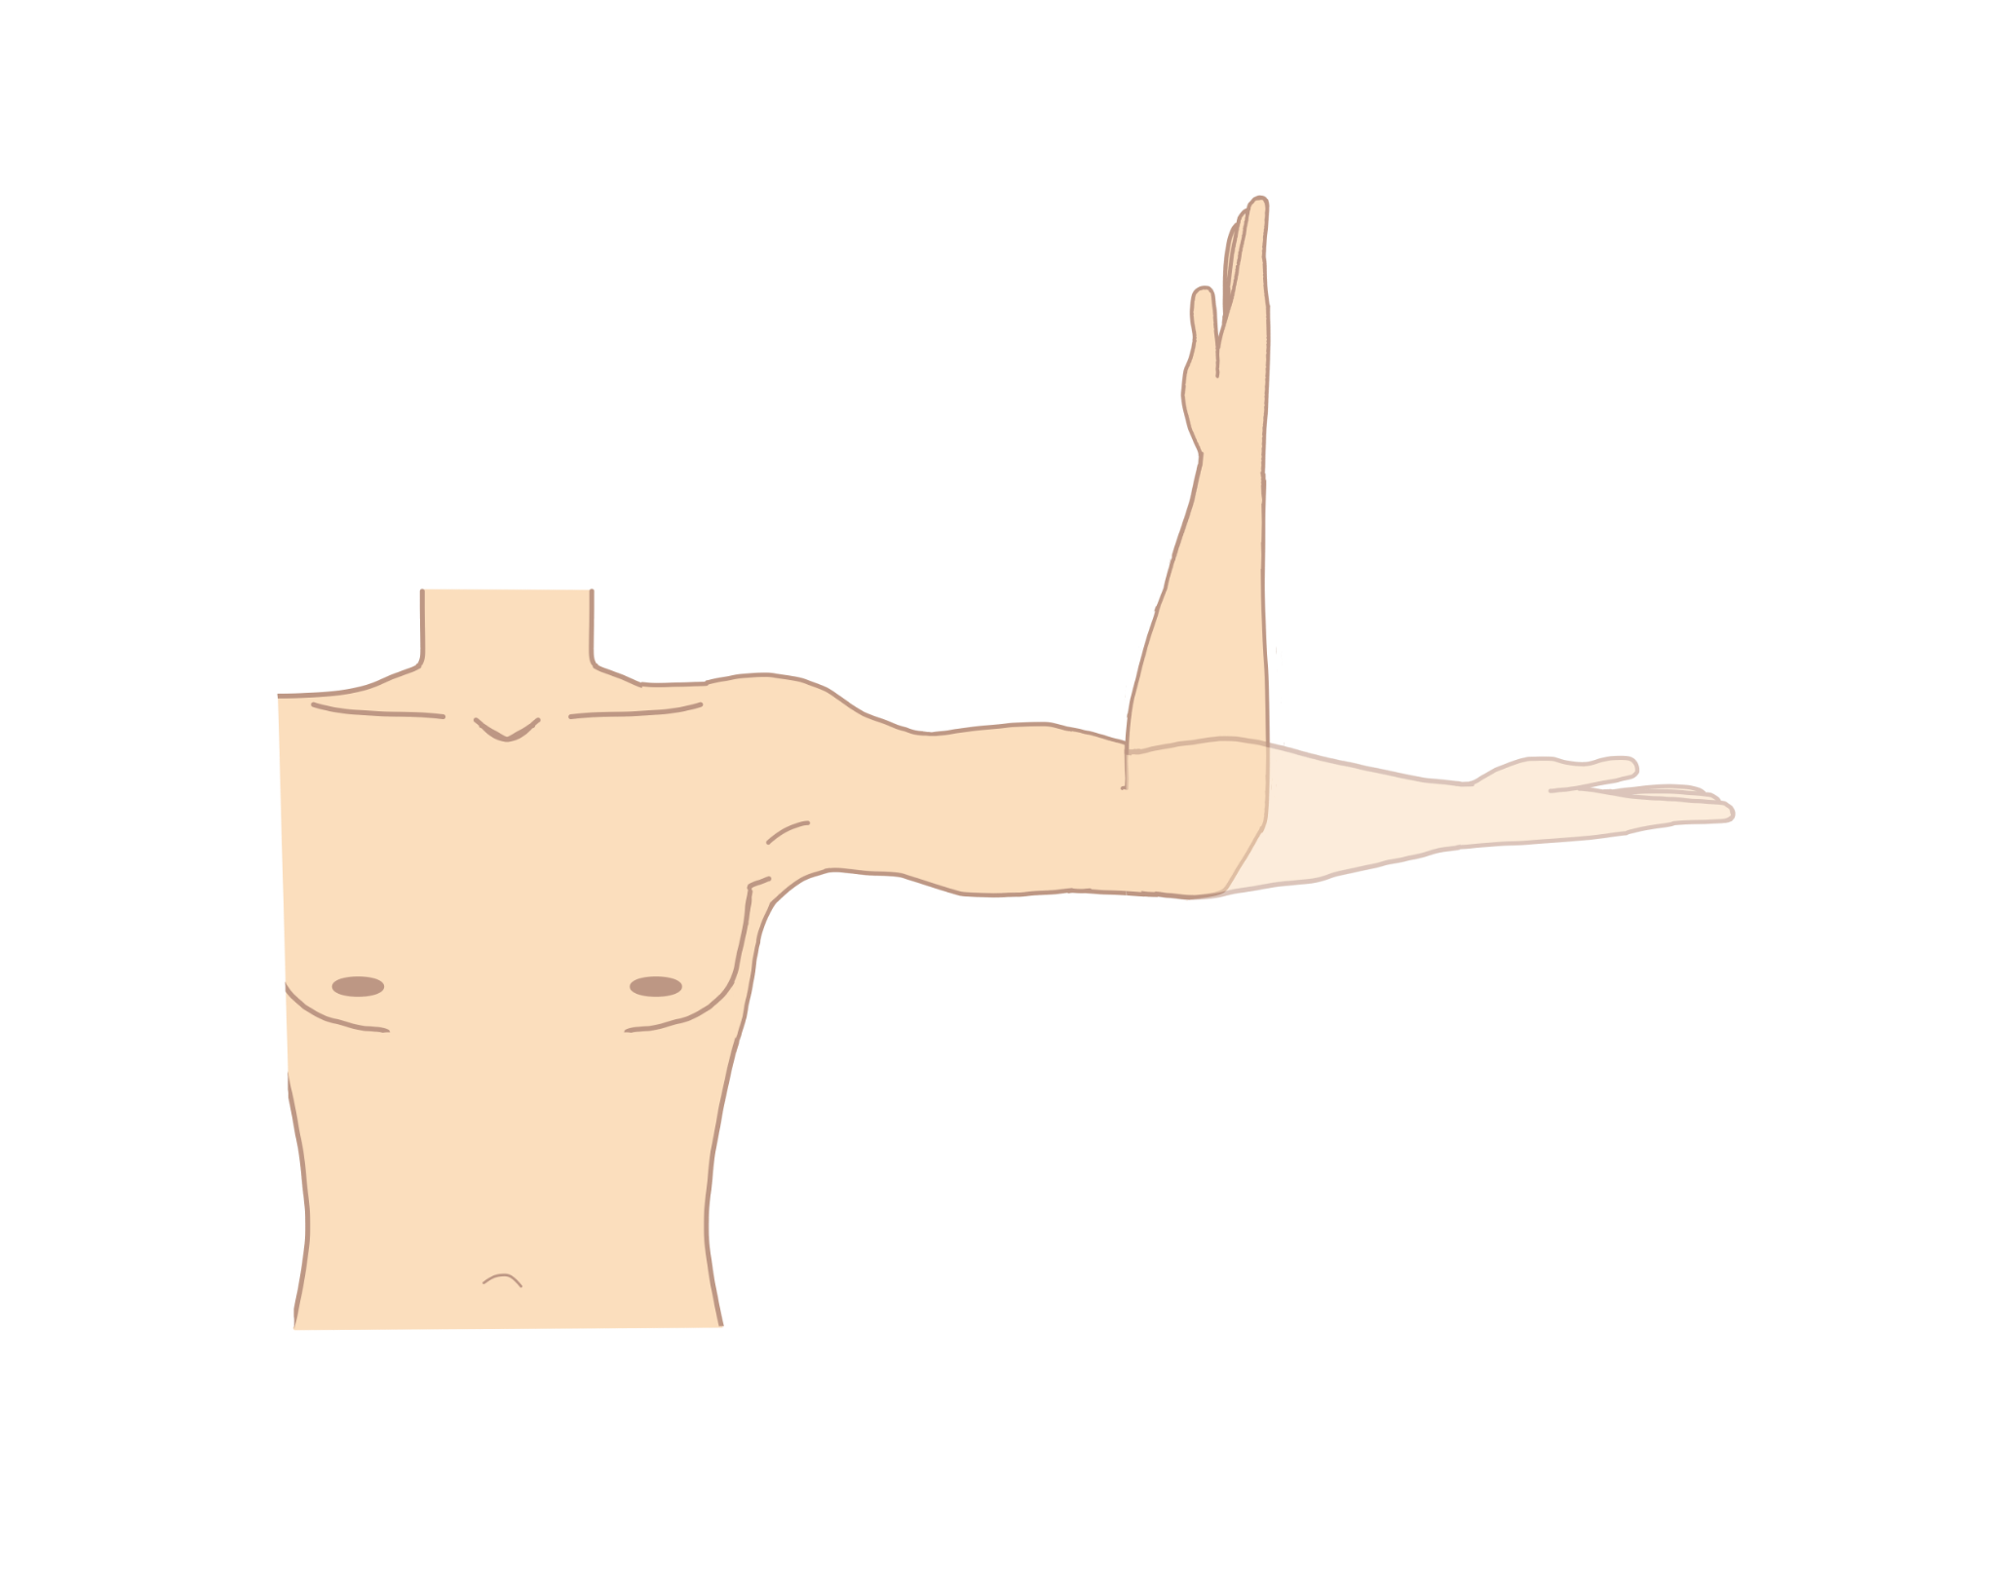

Elbow Flexion |  | C5, C6

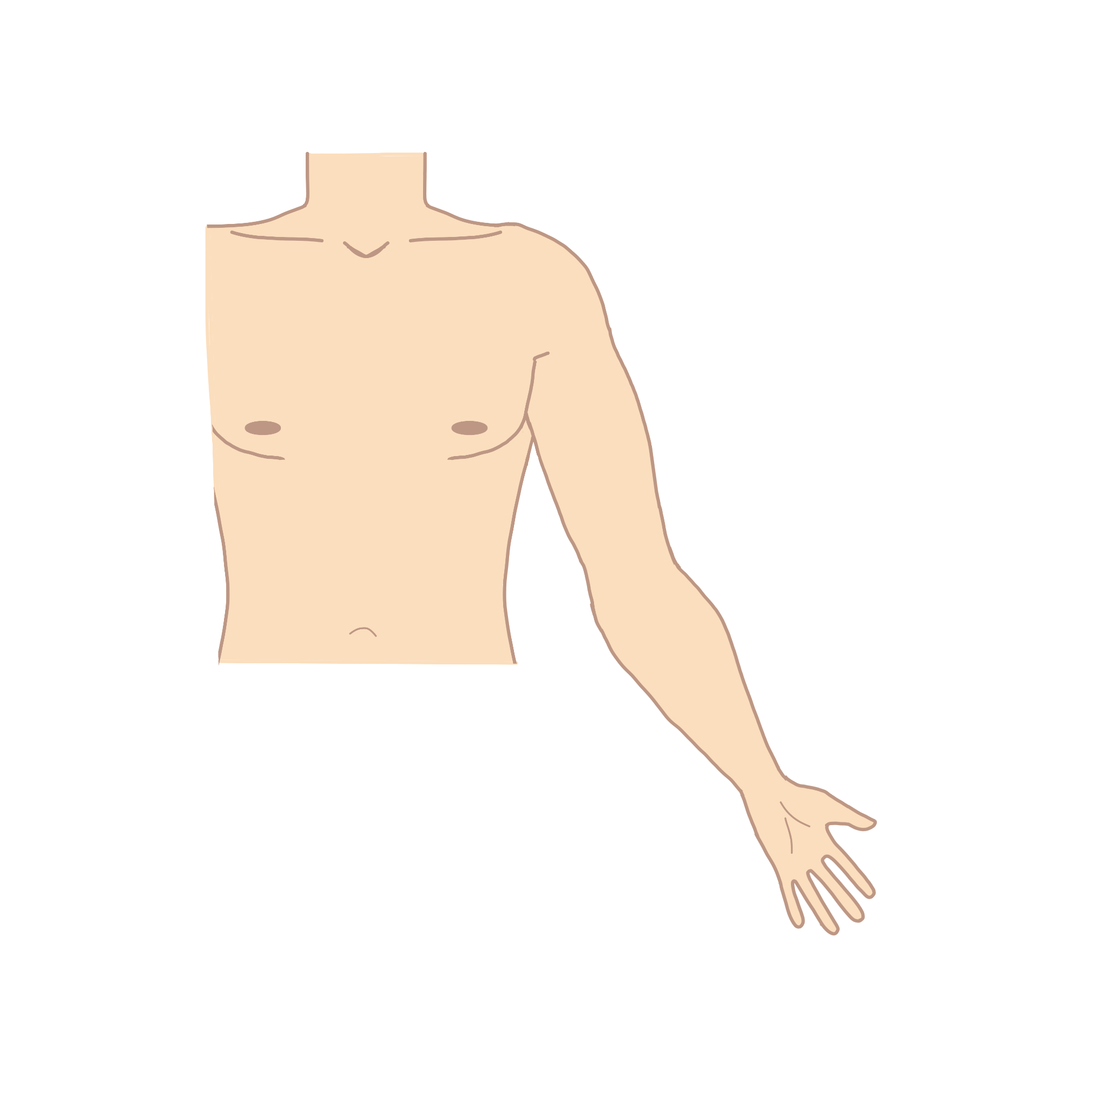

Arm Internal Rotation and External Rotation |  | C6, C7 for Internal Rotation
 |  | C5, C6 for External Rotation

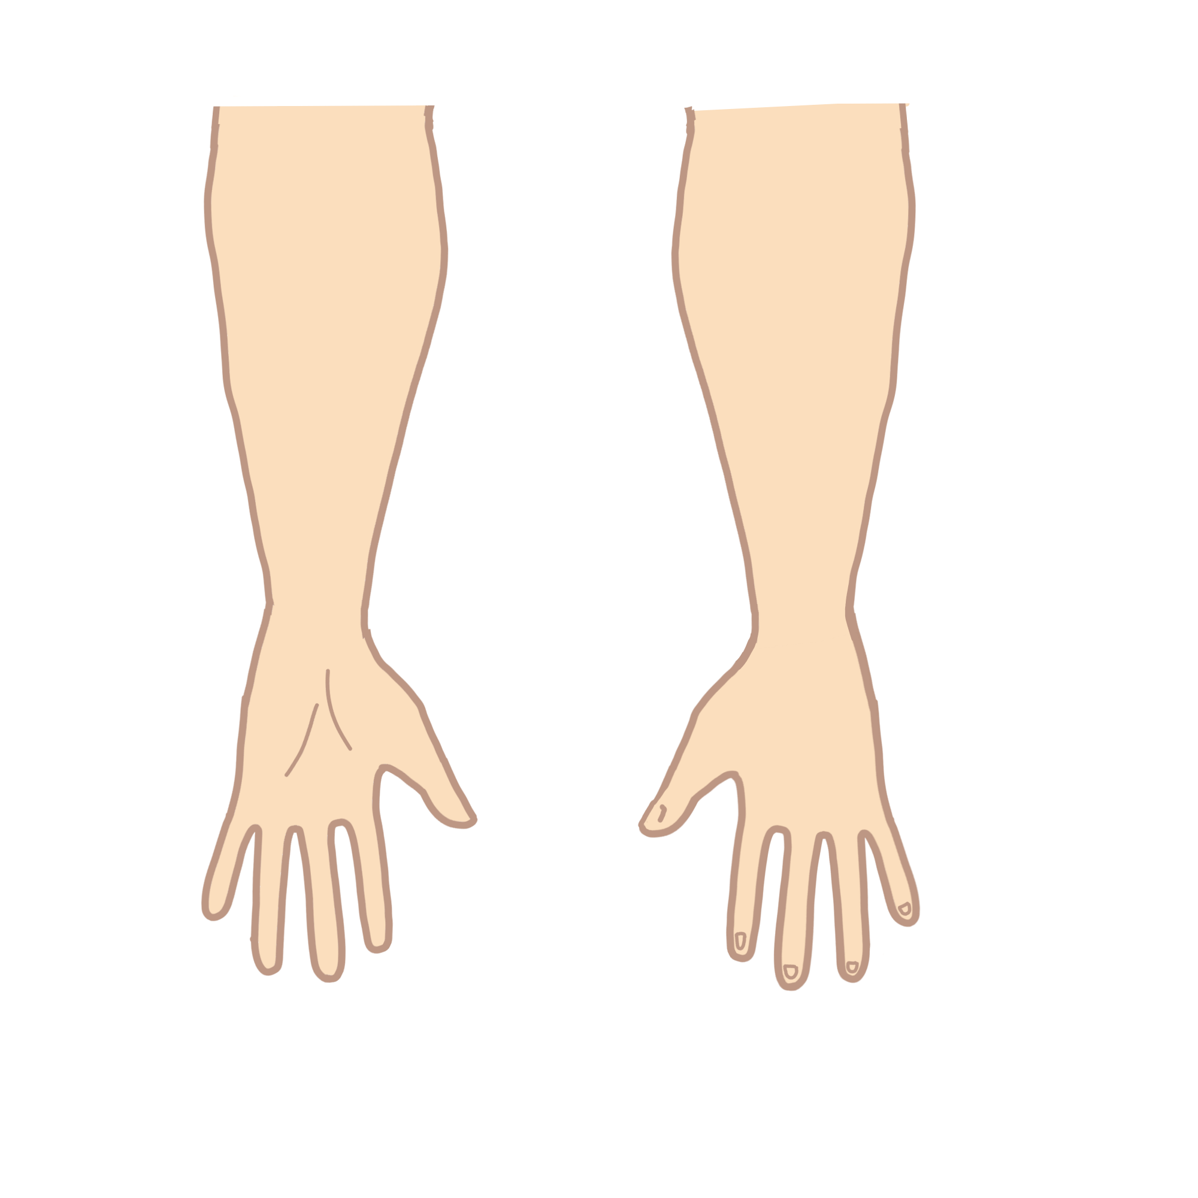
Pronation and Supination |  | C6 for Supination
 |  | C6, C7 for Pronation


Shoulder Adduction |  | C6, C7, C8



Elbow Extension |  | C7

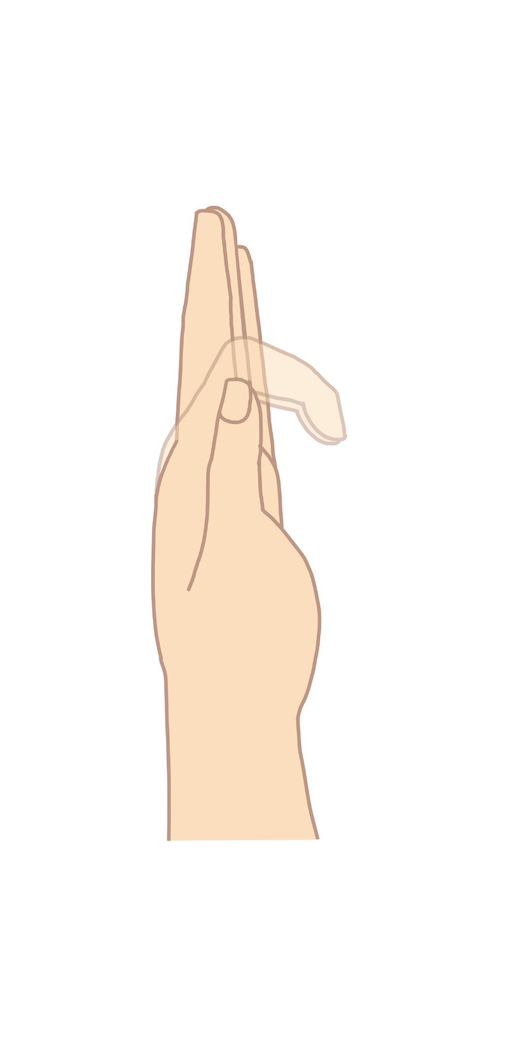

Digit Extension |  | C7



Digit Flexion |  | C8

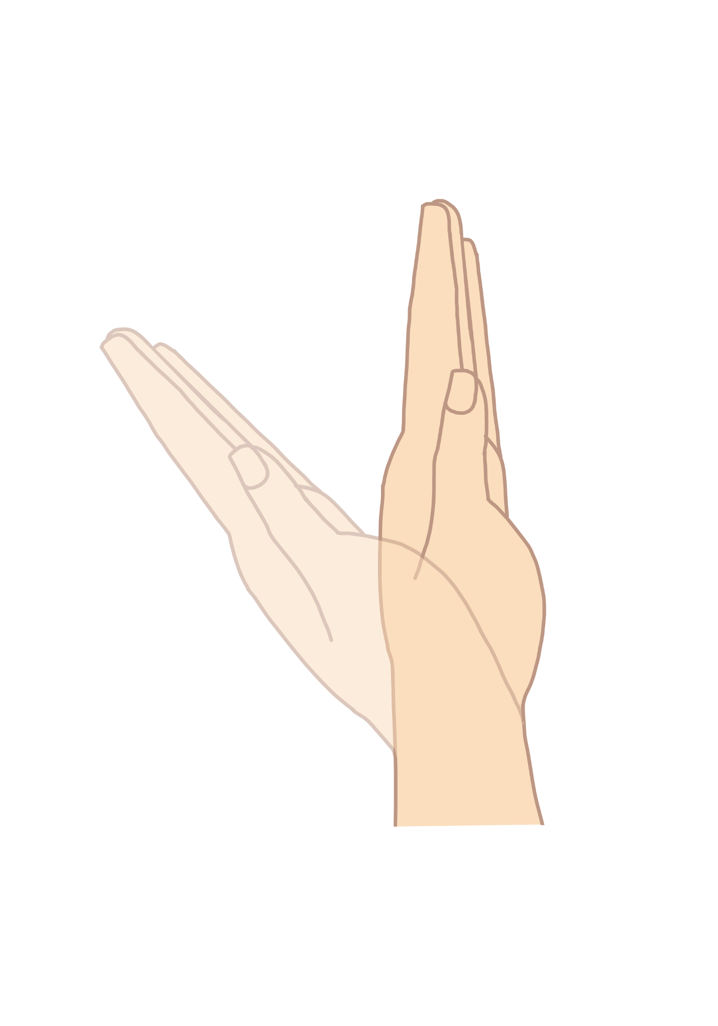

Wrist Flexion |  | C7

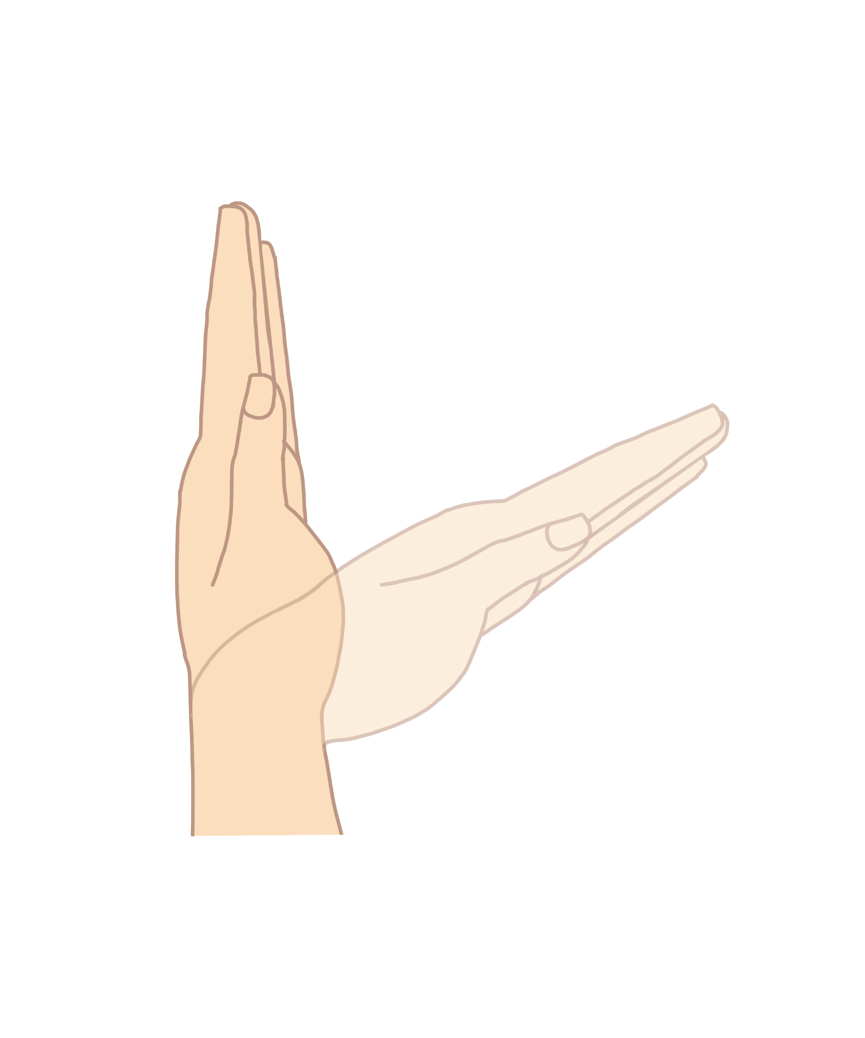

Wrist Extension |  | C7

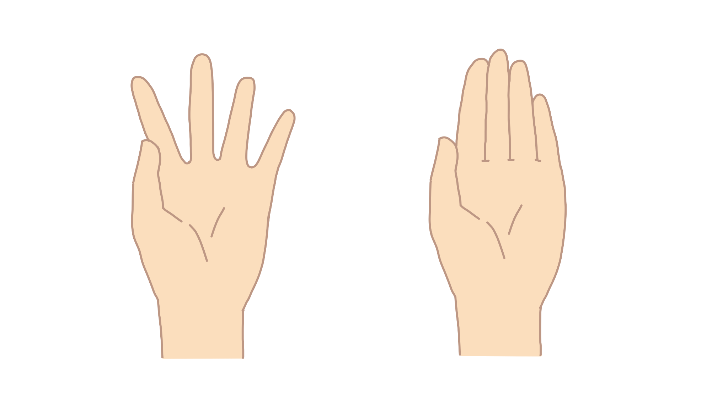
Digit Abduction and Adduction |  | C8, T1

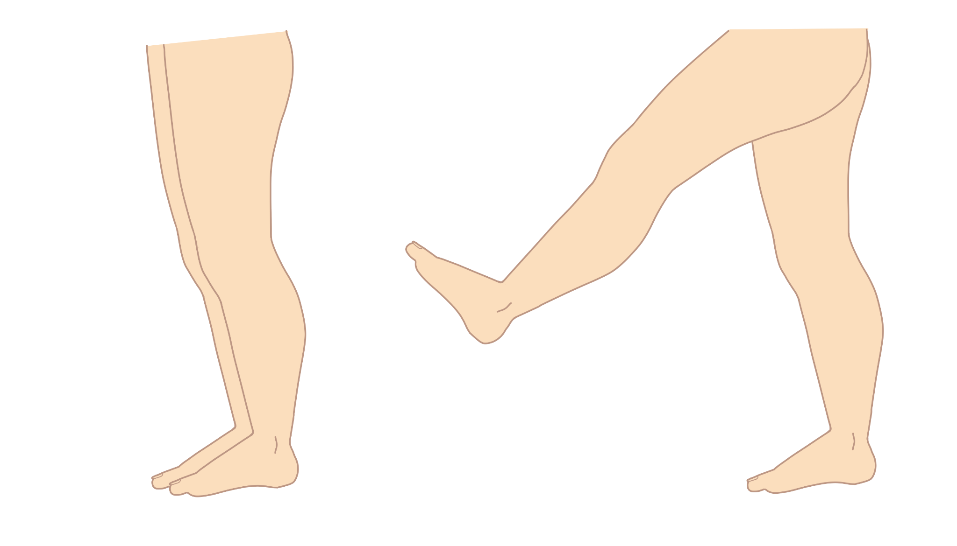
Hip Flexion |  | L1, L2

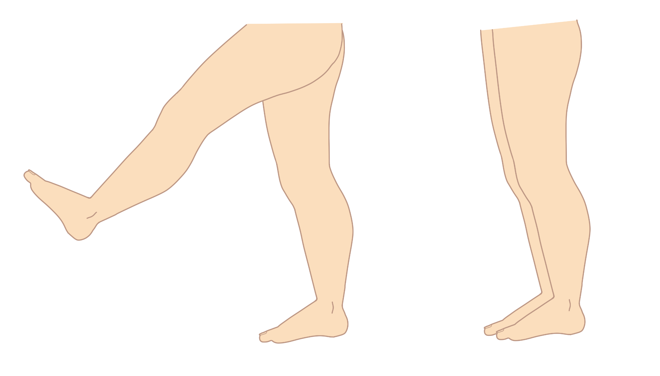
Hip Extension |  | L5, S1

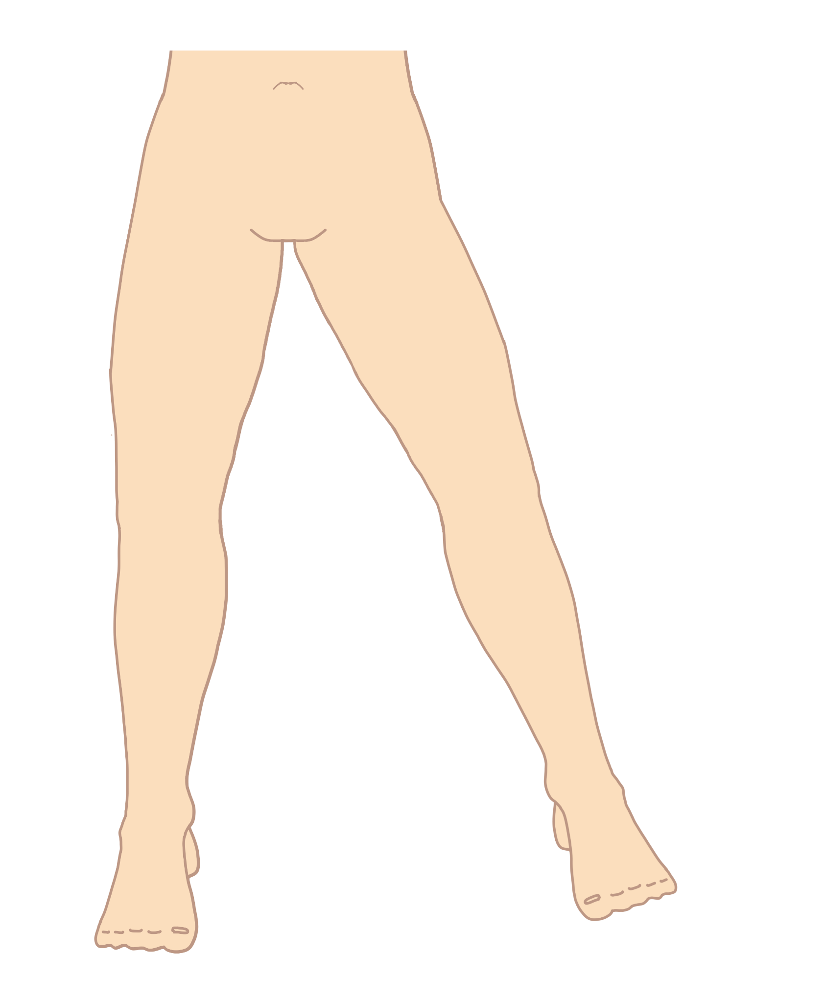
Hip Adduction and Abduction |  | L2, L3, L4 for Hip Adduction
 |  | L5 for Hip Abduction

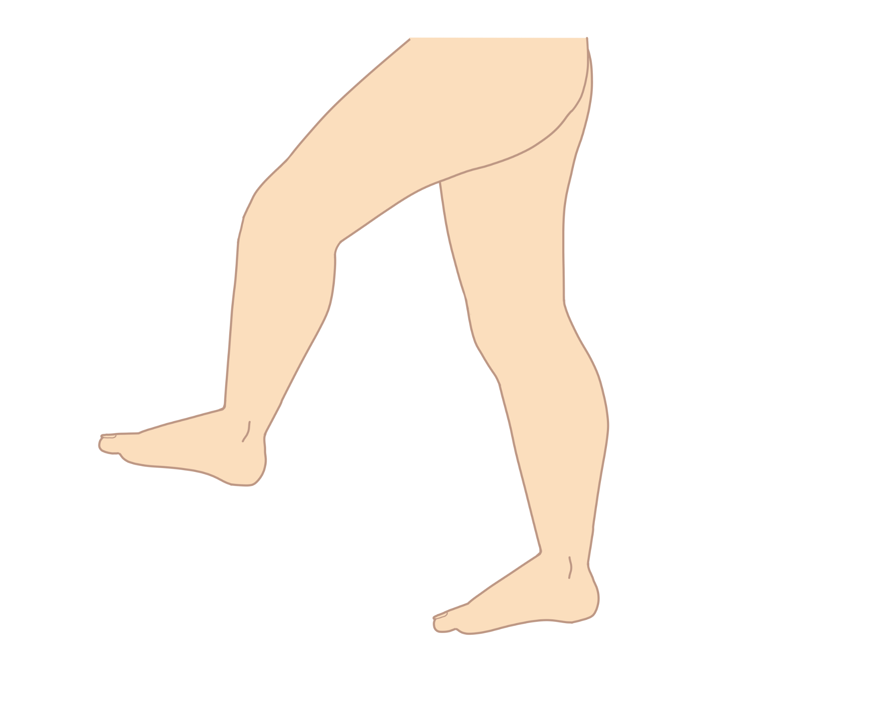
Knee Flexion and Extension |  | L5, S1
 |  | L3, L4 for Knee Extension

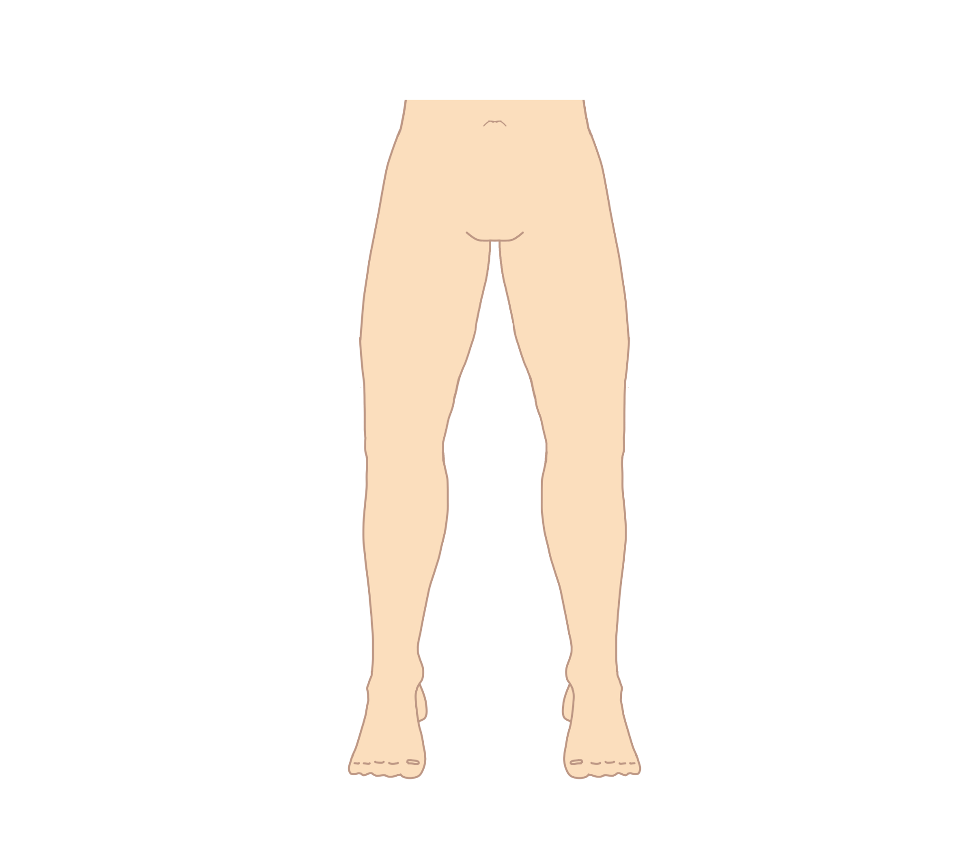

Hip Internal Rotation and External Rotation |  | L4, L5 for Internal Rotation
 |  | L5, S1 for External Rotation

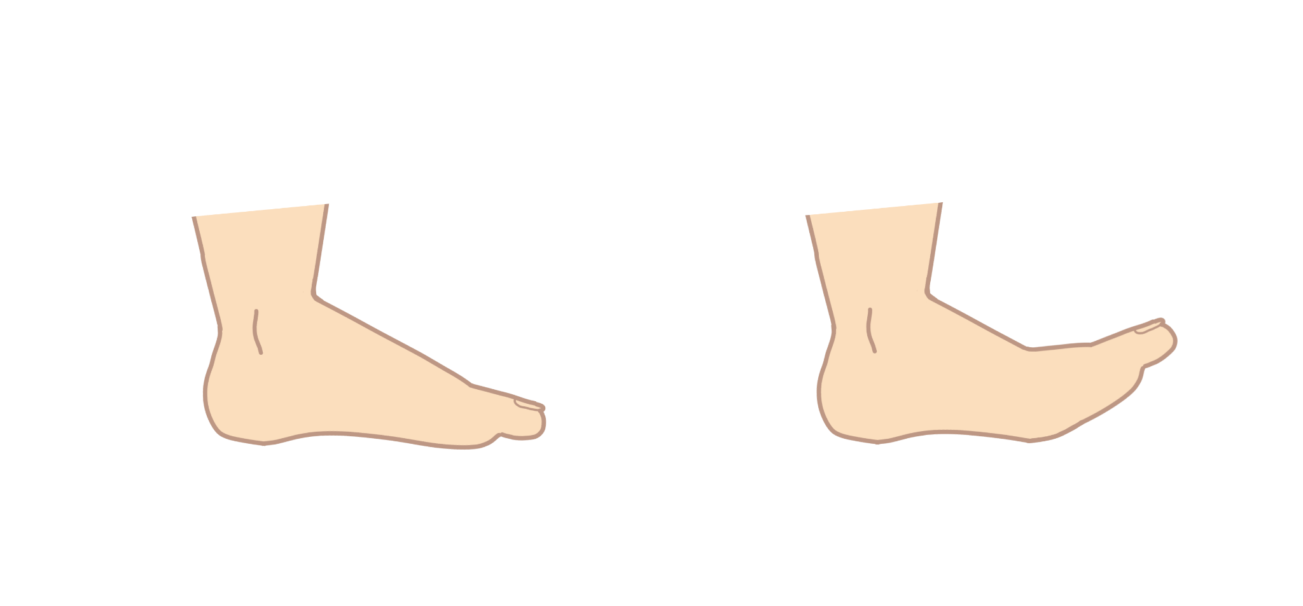

Dorsiflexion |  | L4, L5

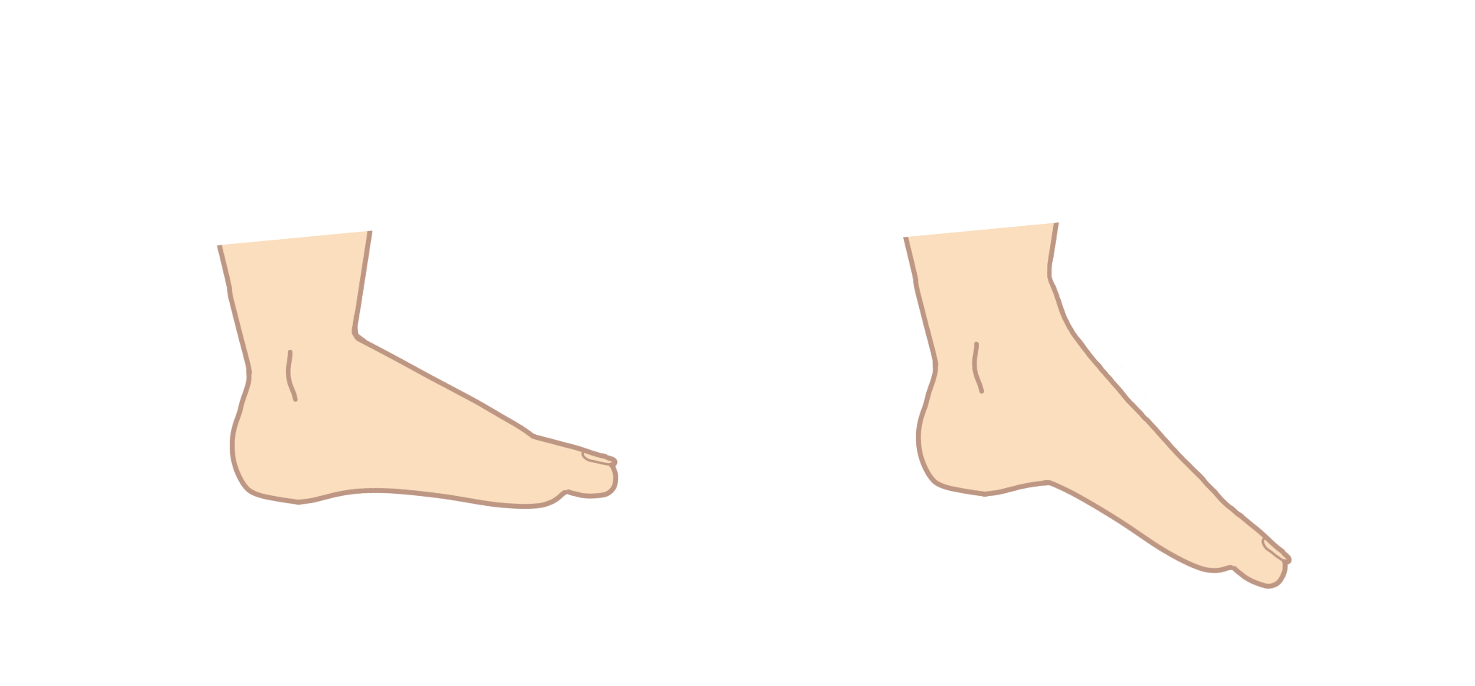

Plantar Flexion |  | S1

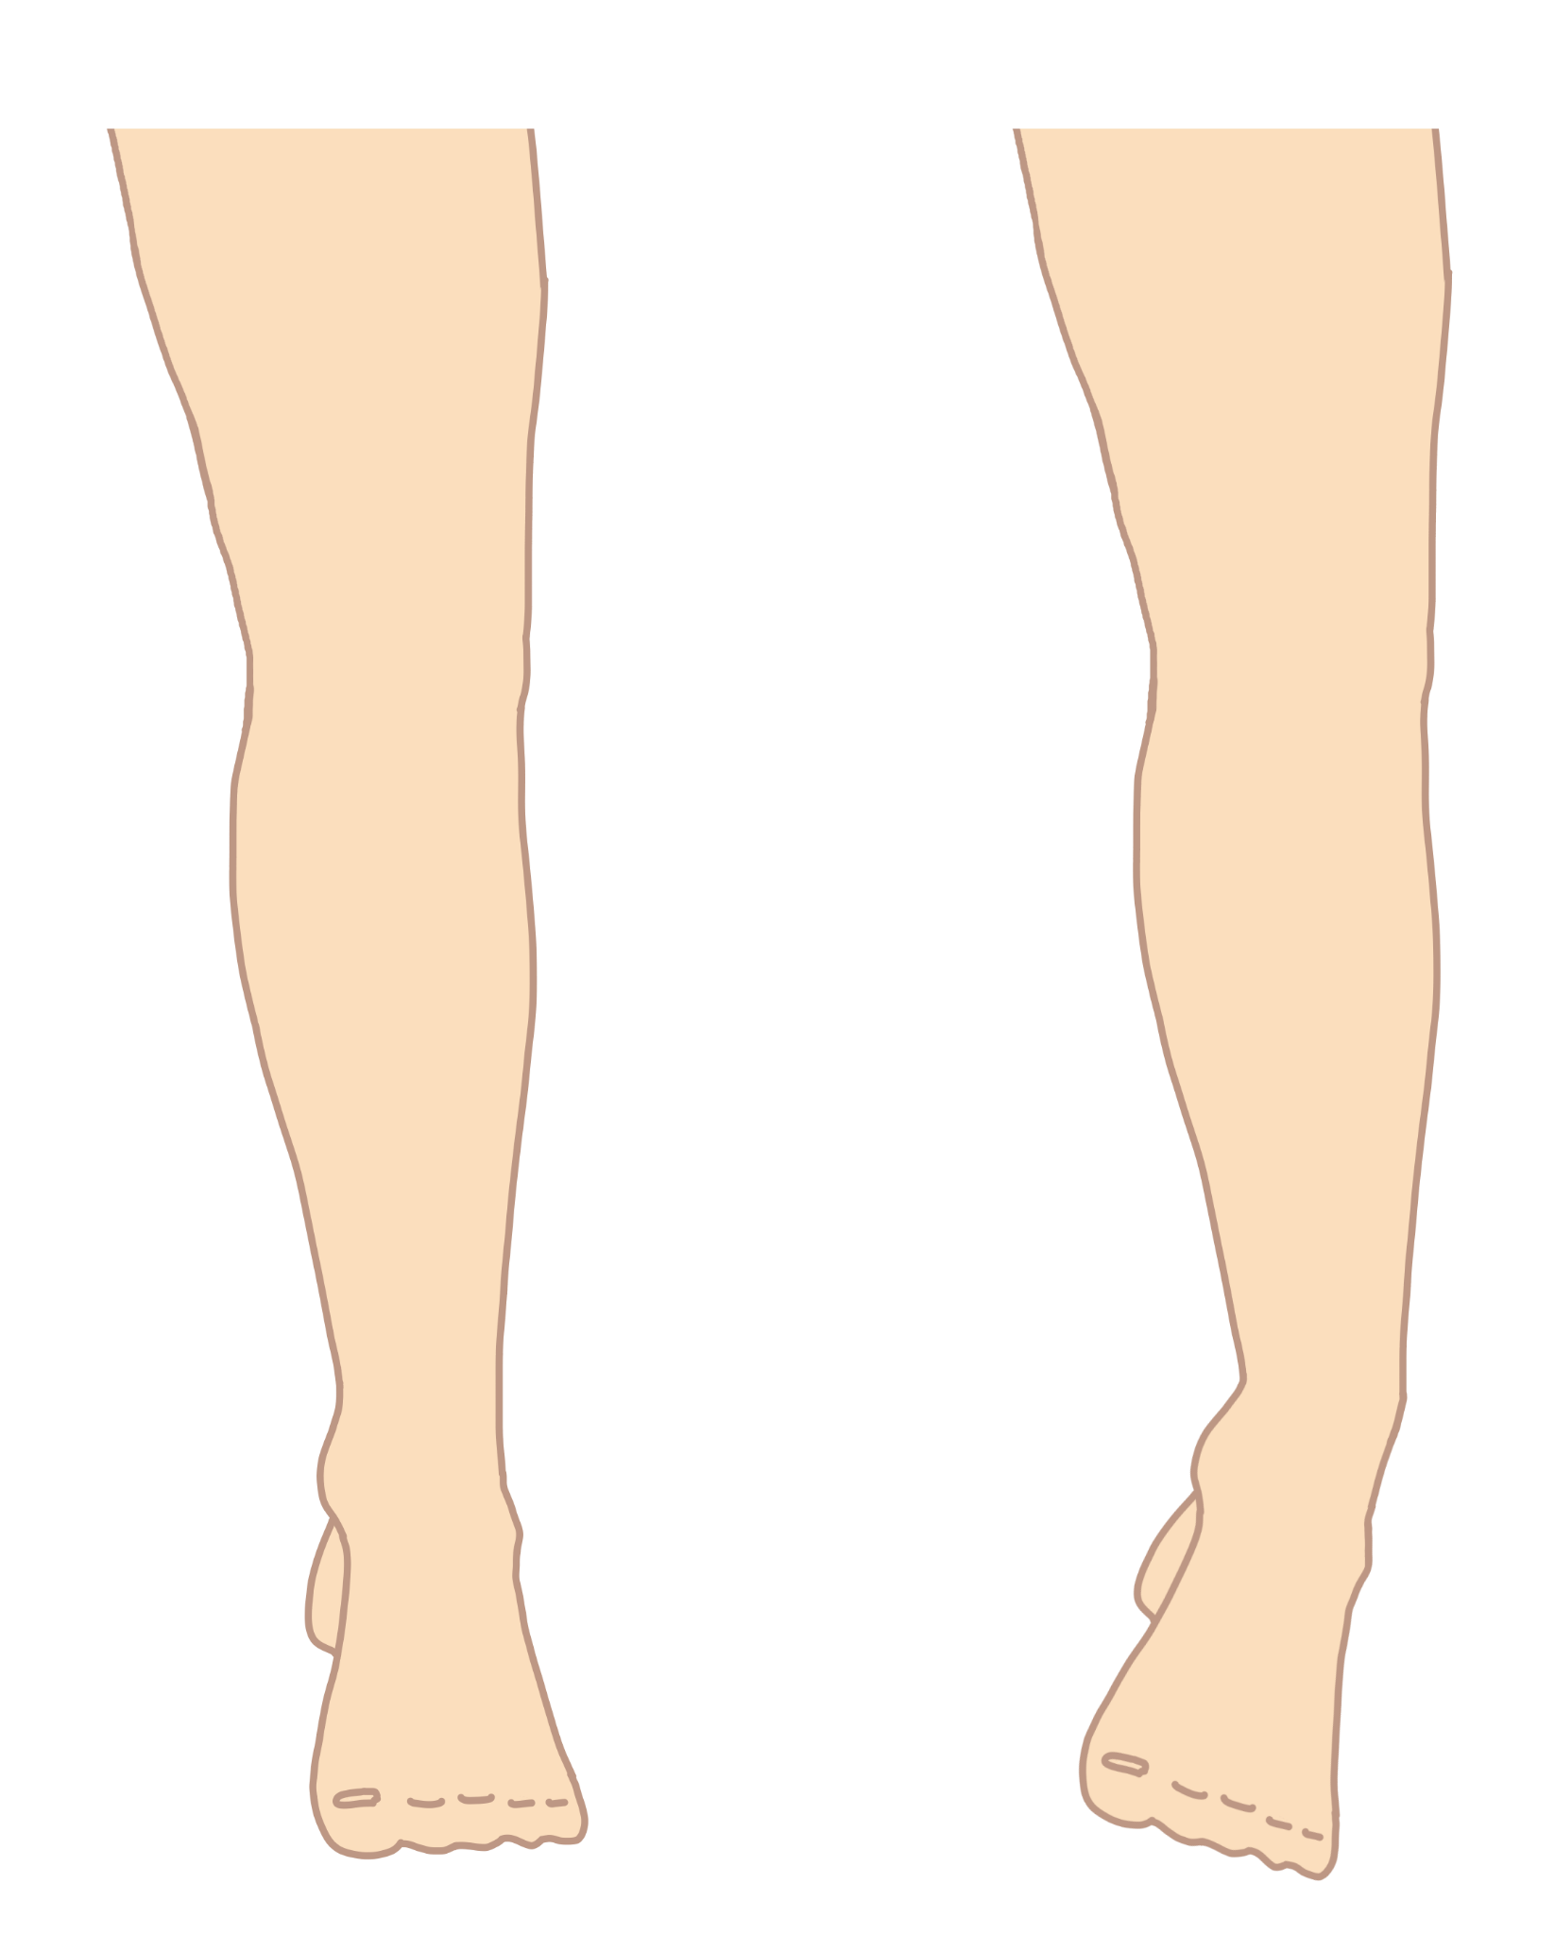

Foot Inversion |  | L4, L5

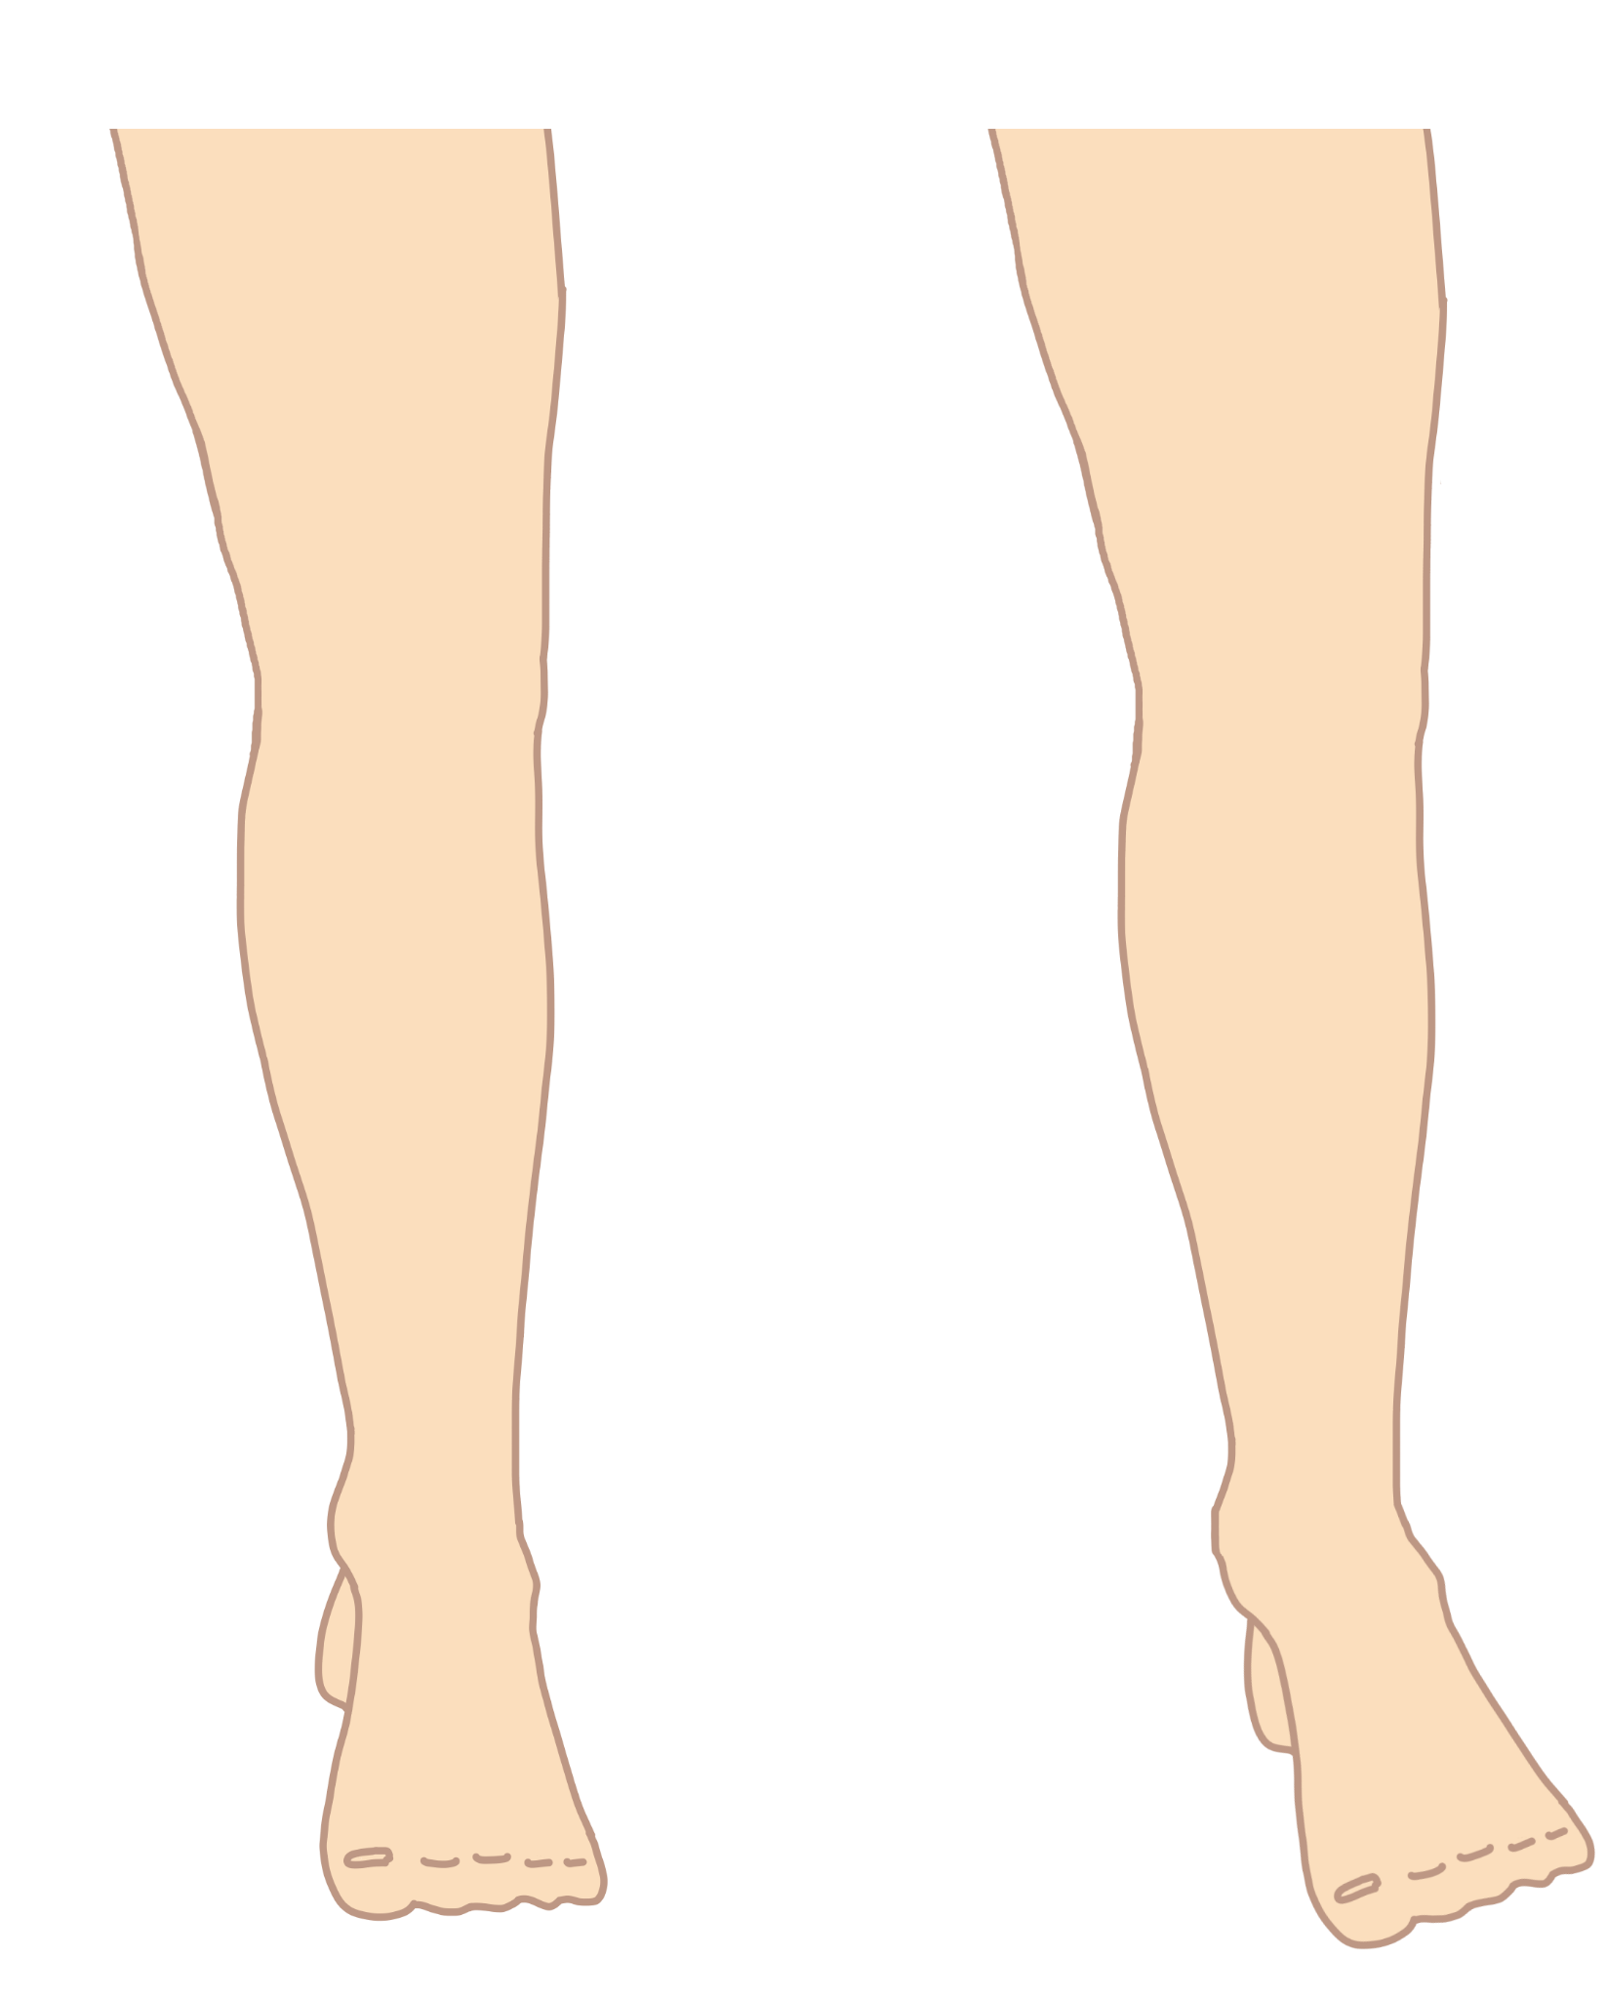

Foot Eversion |  | L5, S1

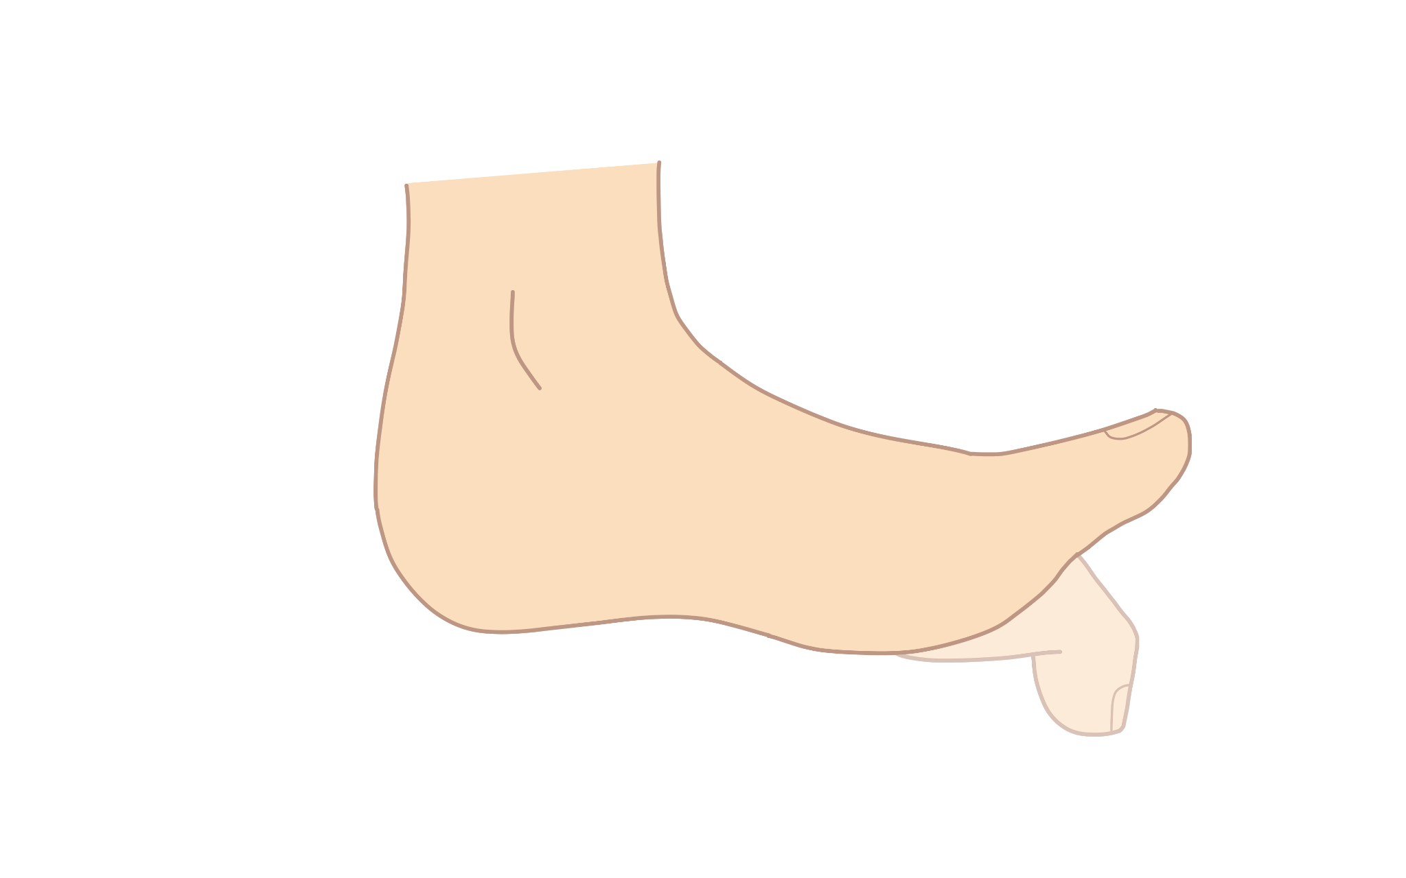

Toe Extension (all toes vs great toe only) |  | L5 for both



Toe Flexion (all toes vs great toe only) |  | S1 for great toe only
 |  | S1, S2 for all toes

Dermatomes
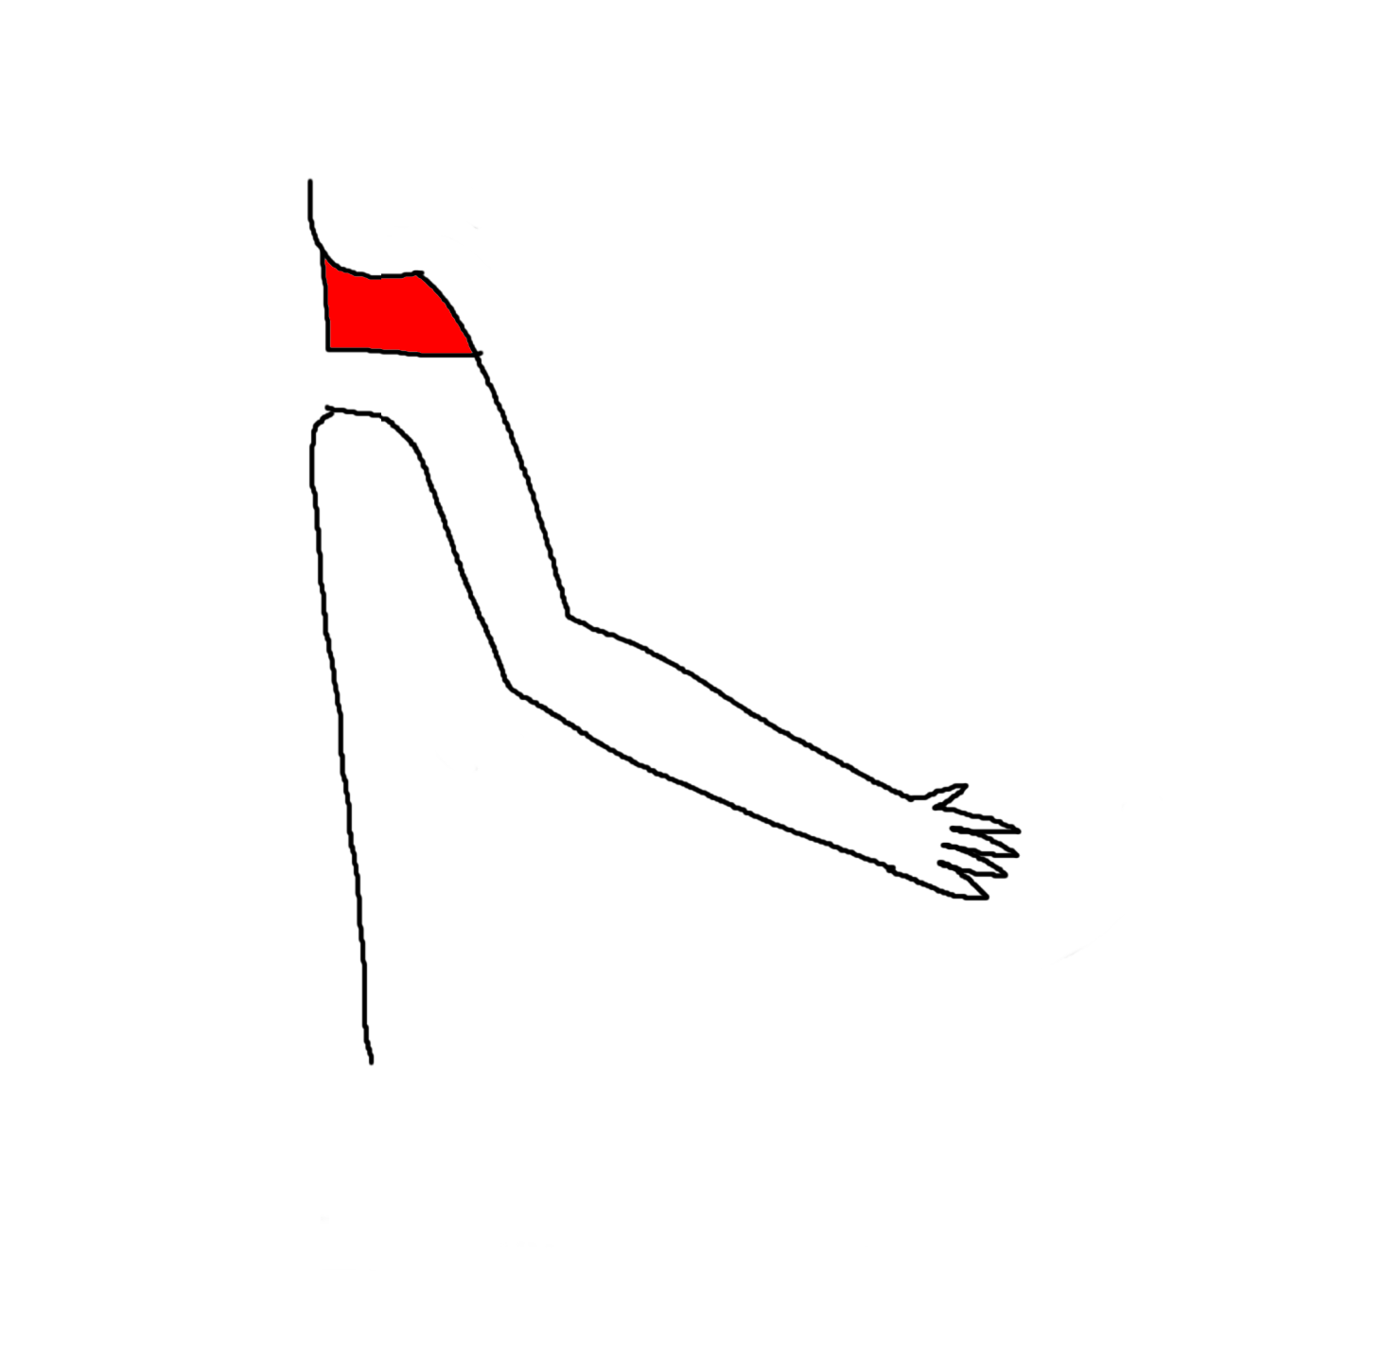
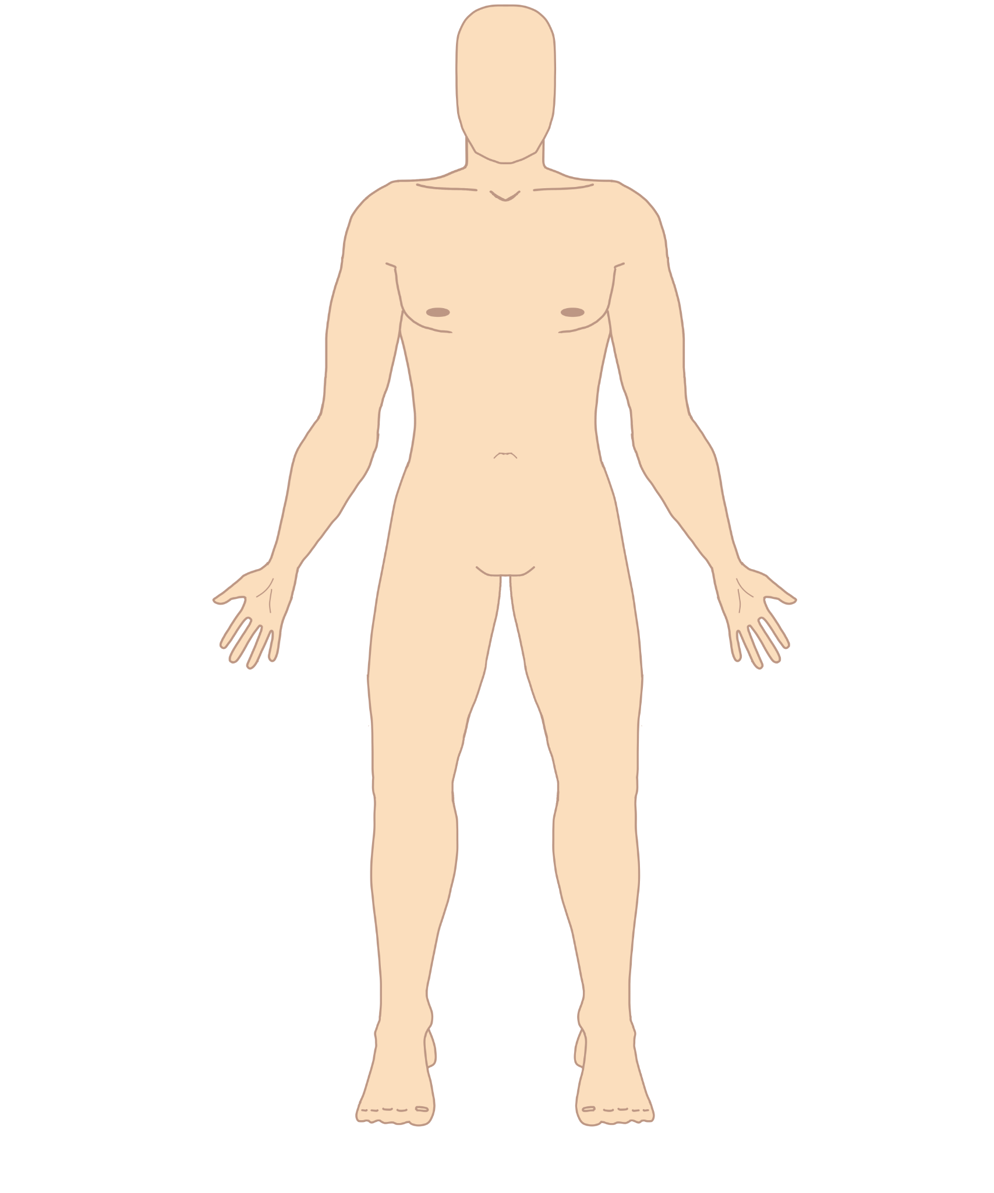
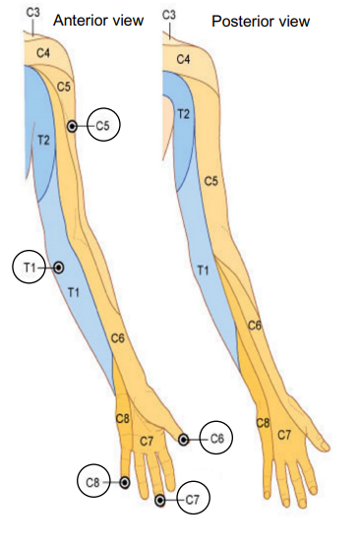
Nerve Root | Image | Image ID | Reference Images
C4 |  | DC4a

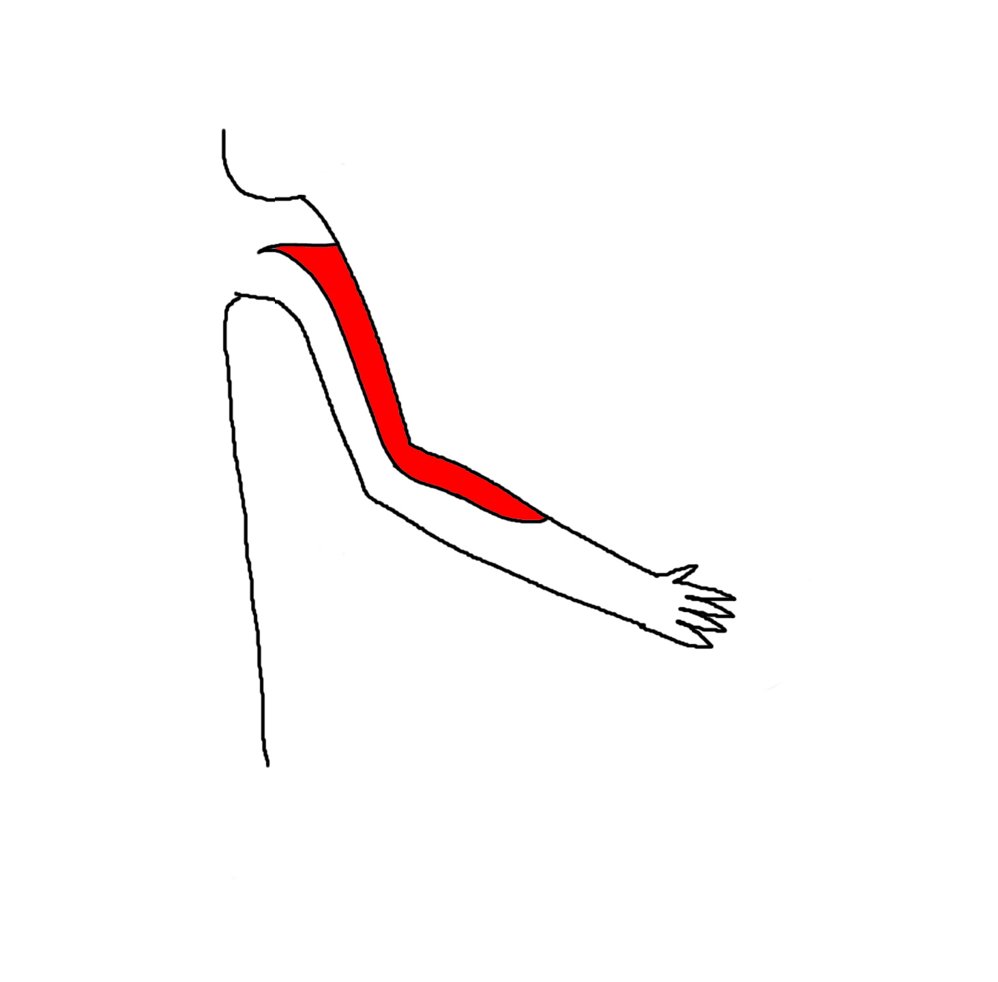
C5 |  | DC5a

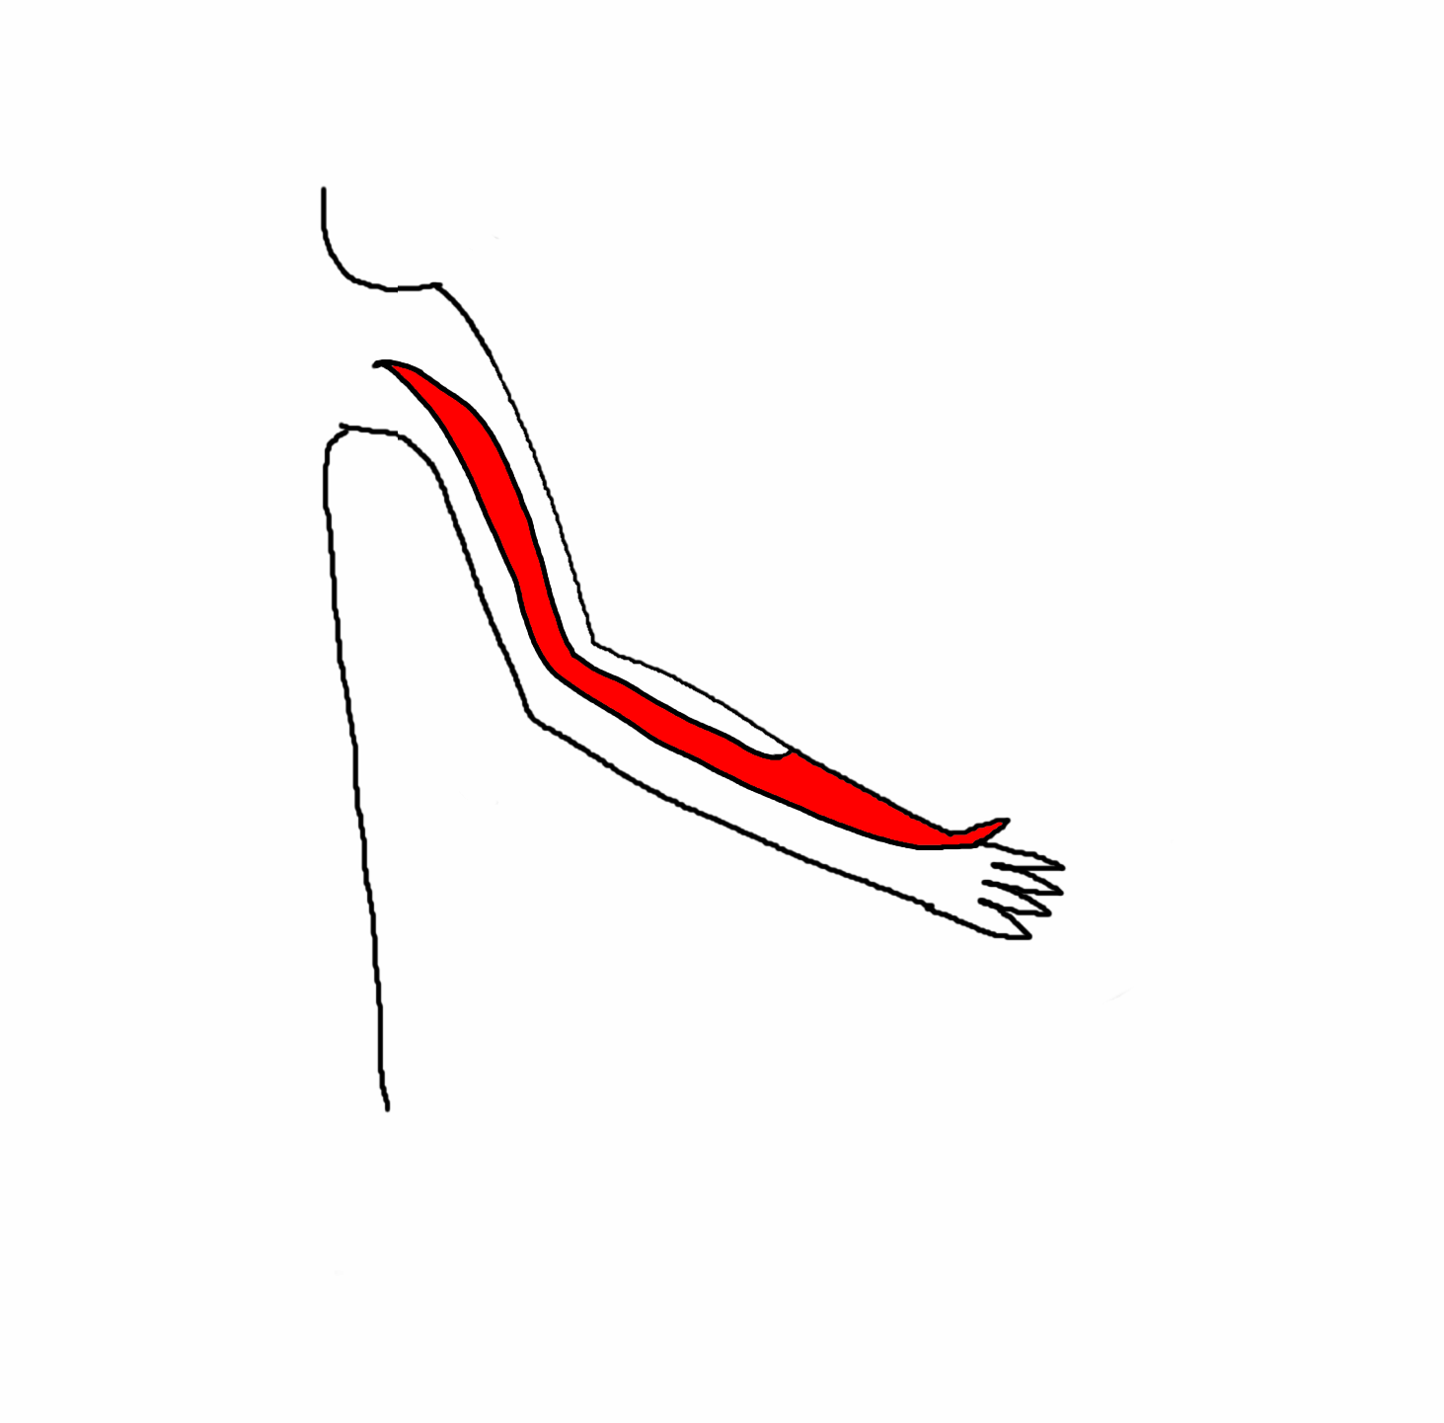
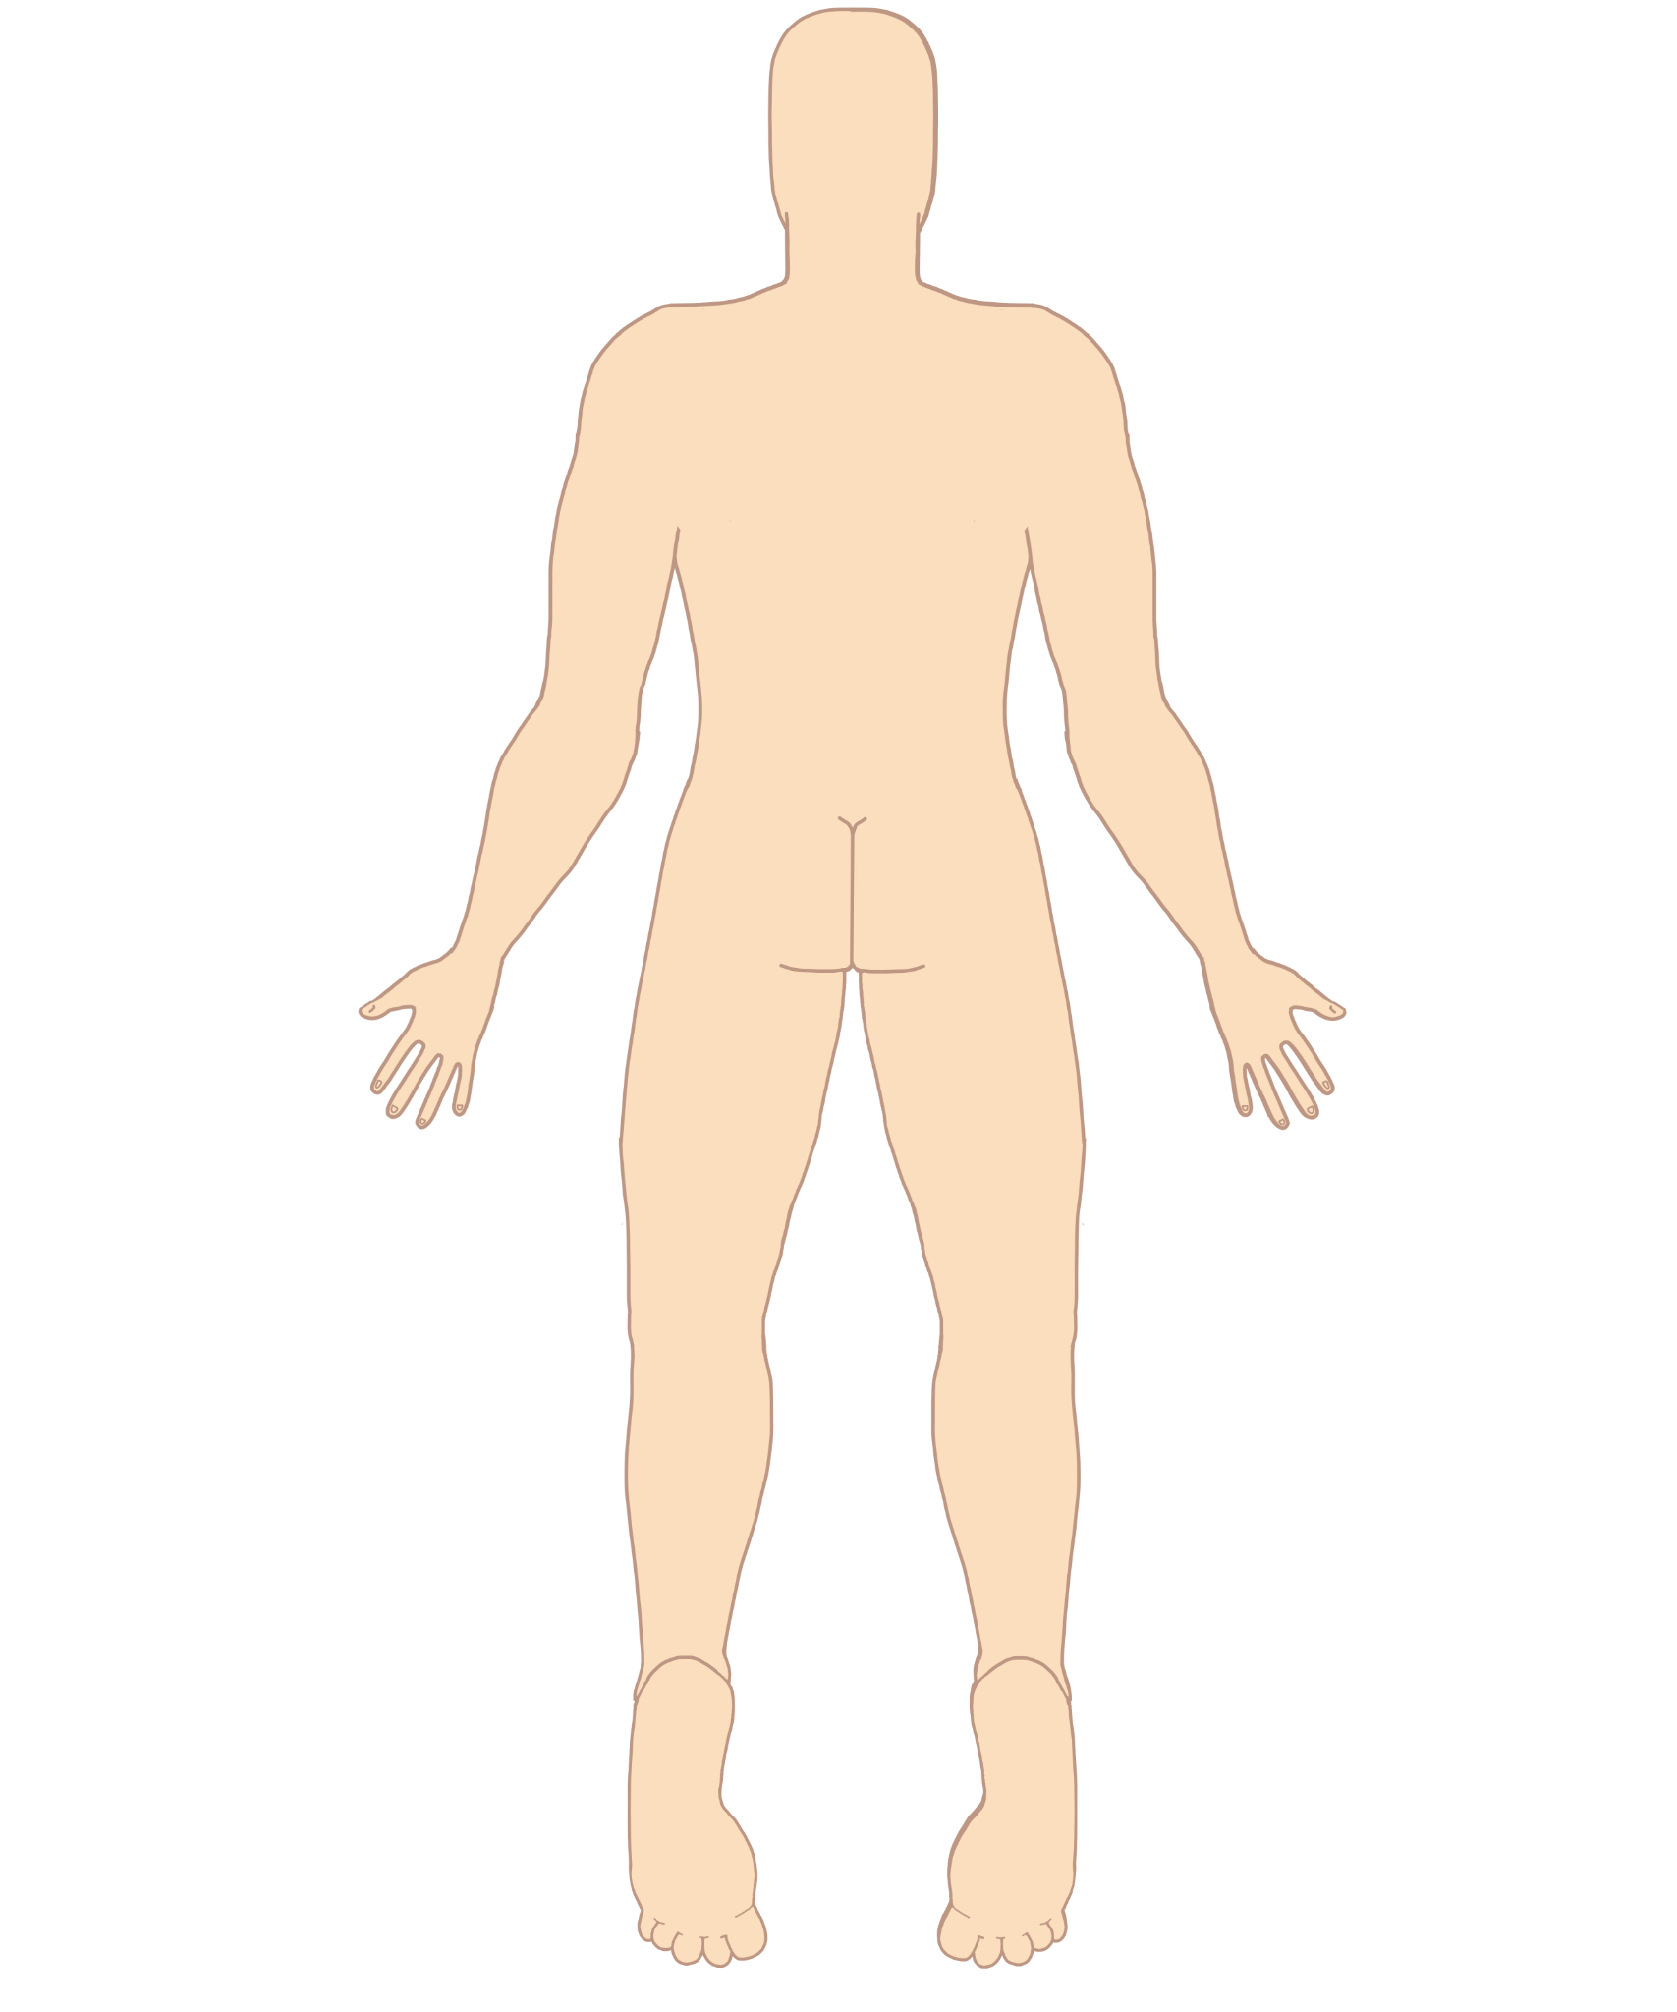
C6 |  | DC6a

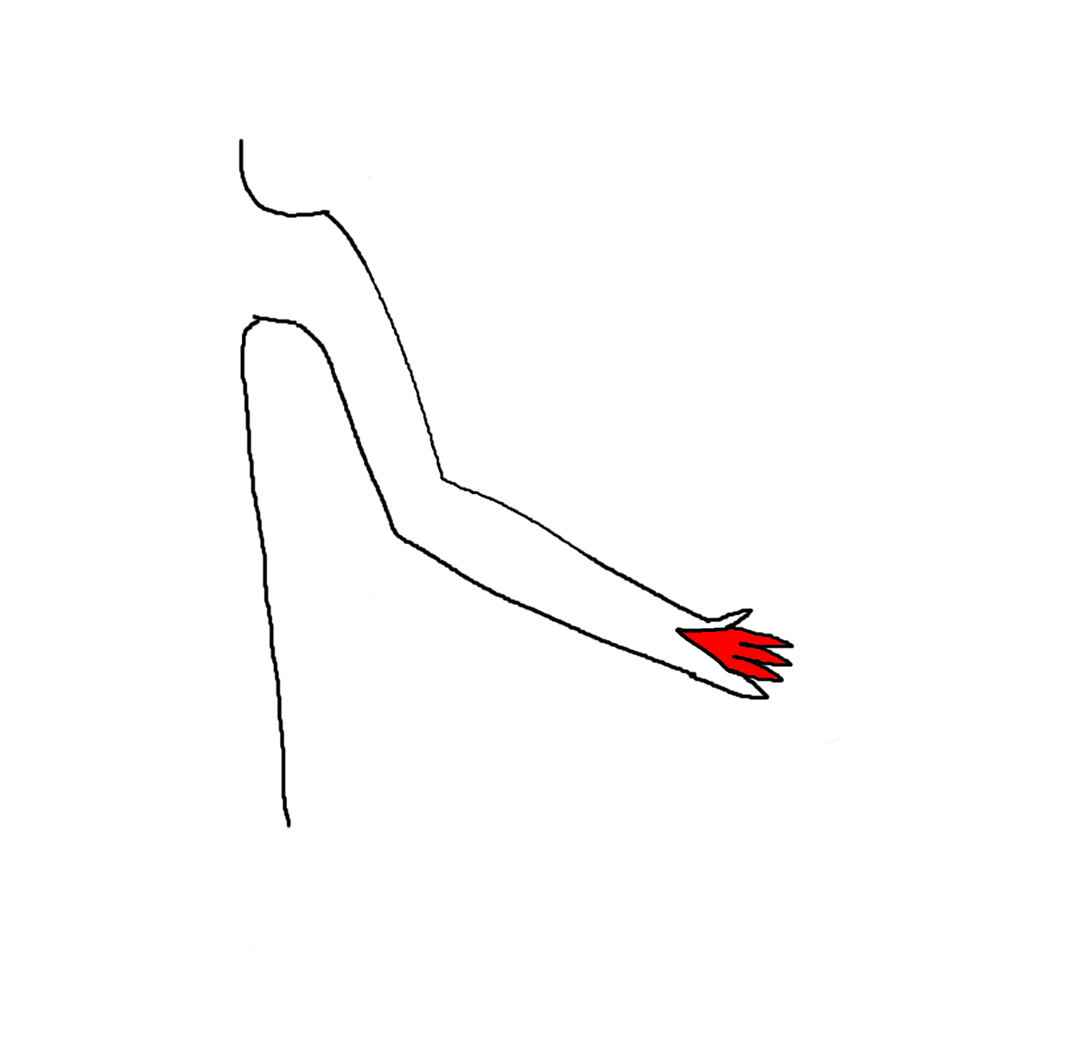
C7 |  | DC7a

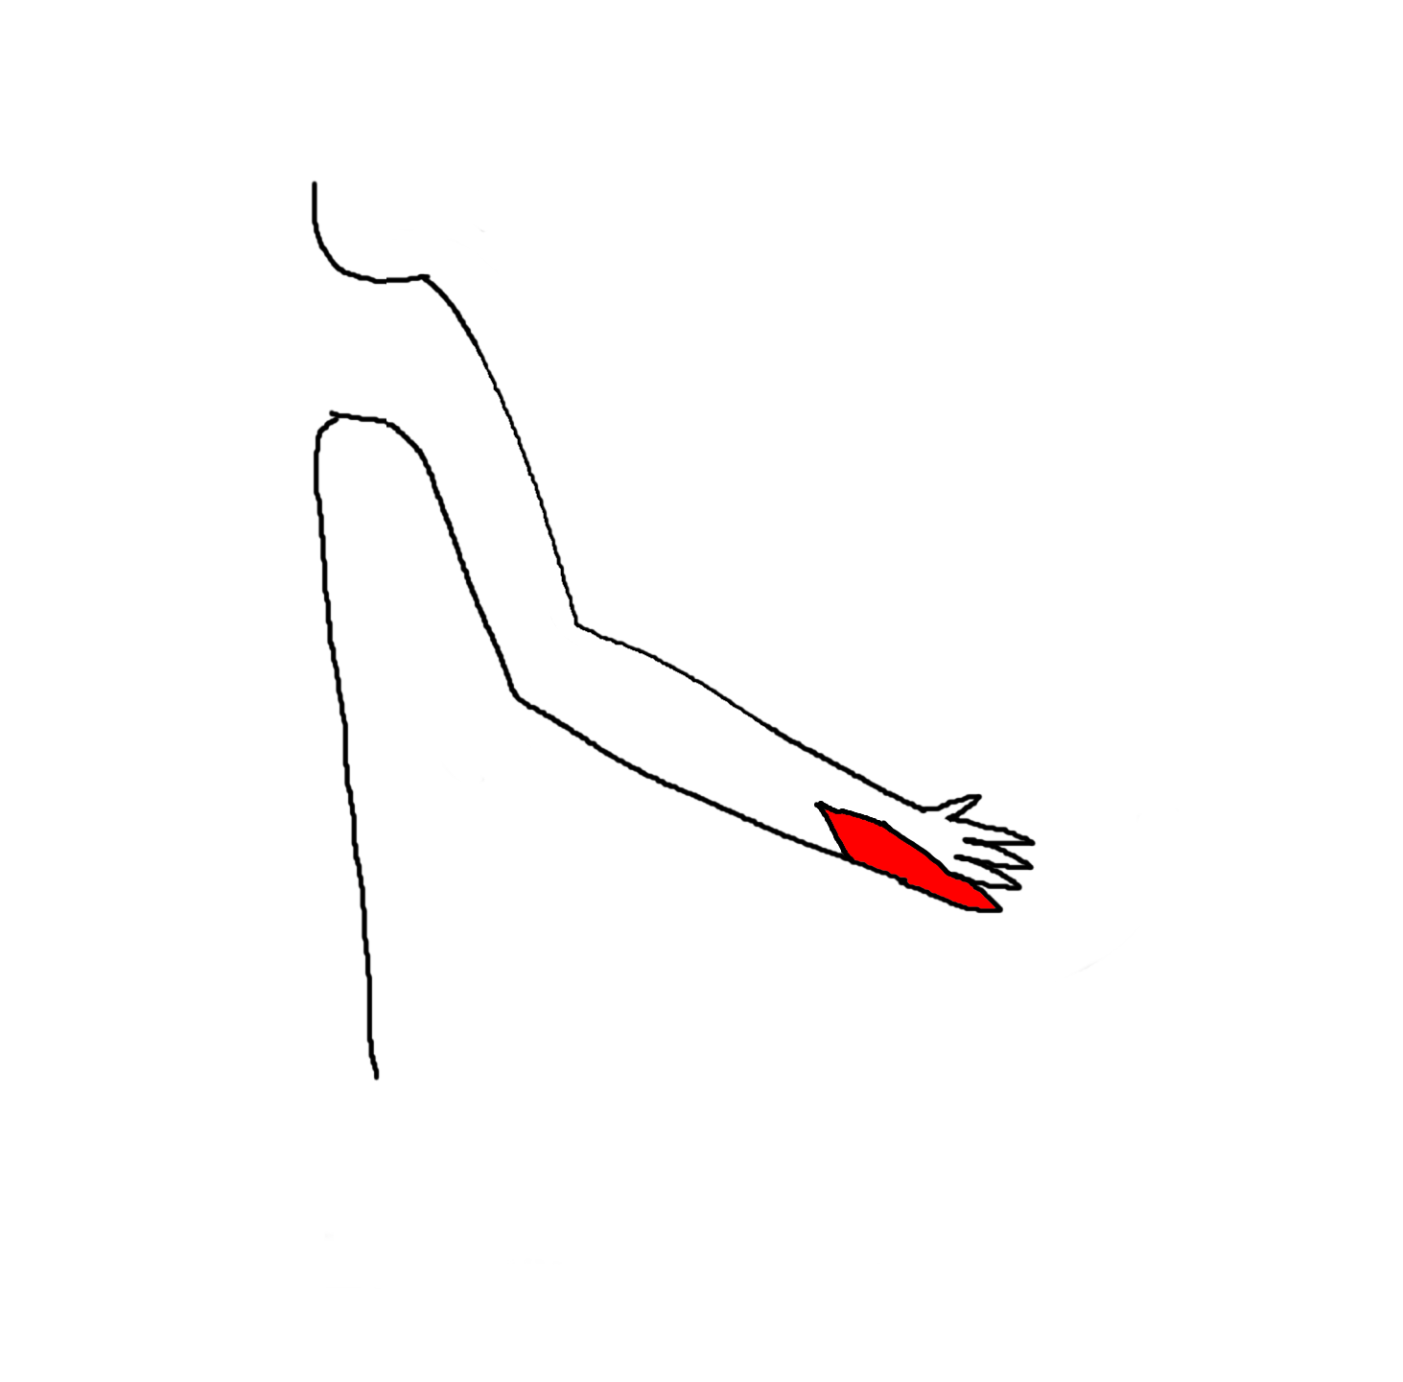

C8 |  | DC8a

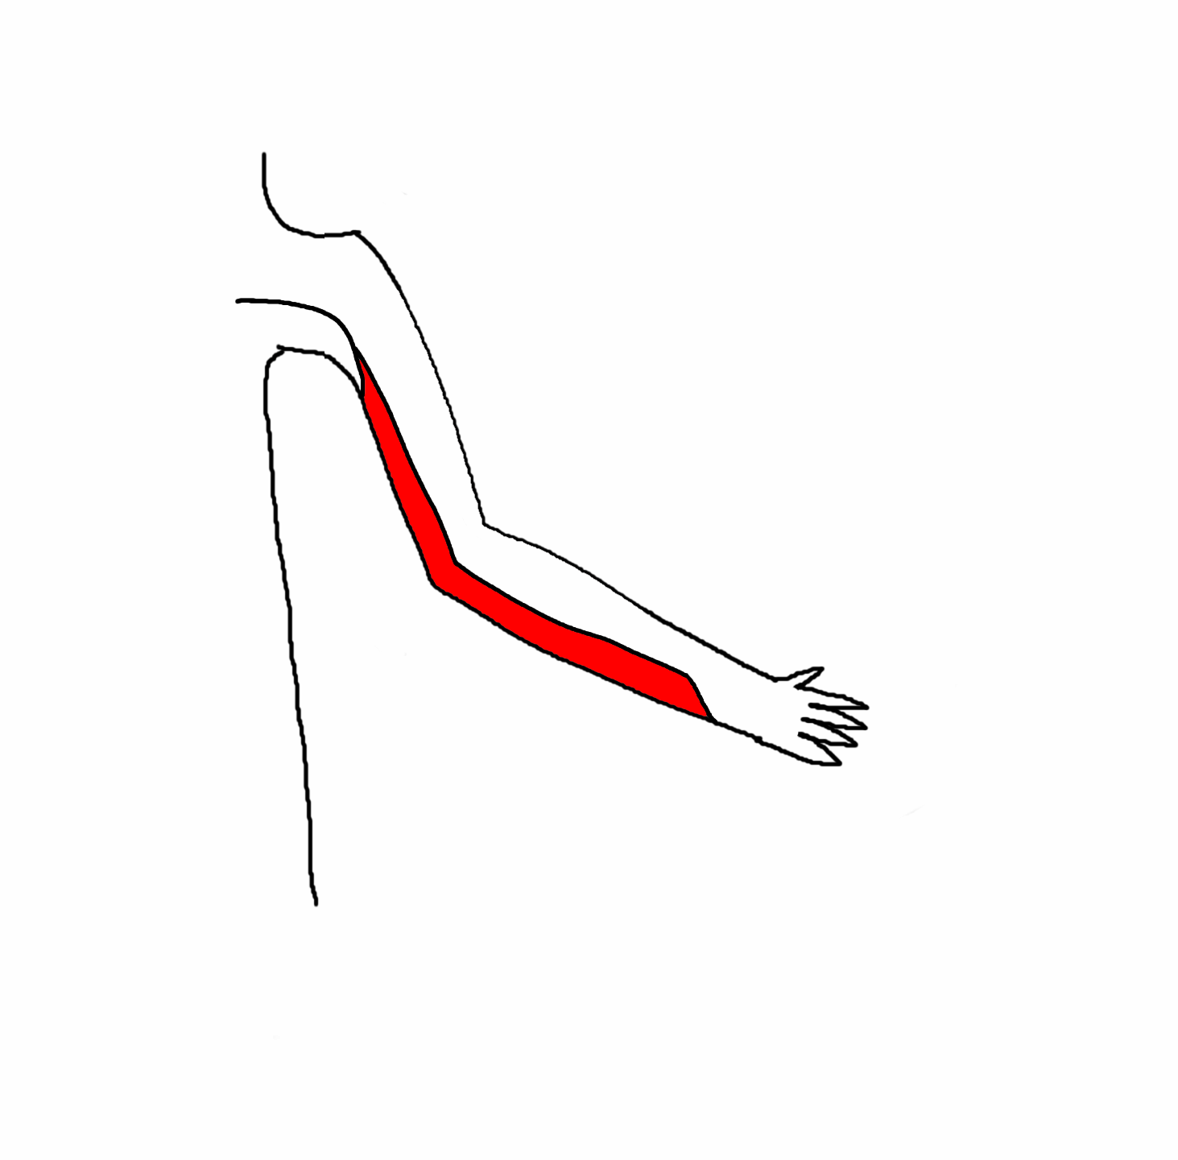
T1 |  | DT1a

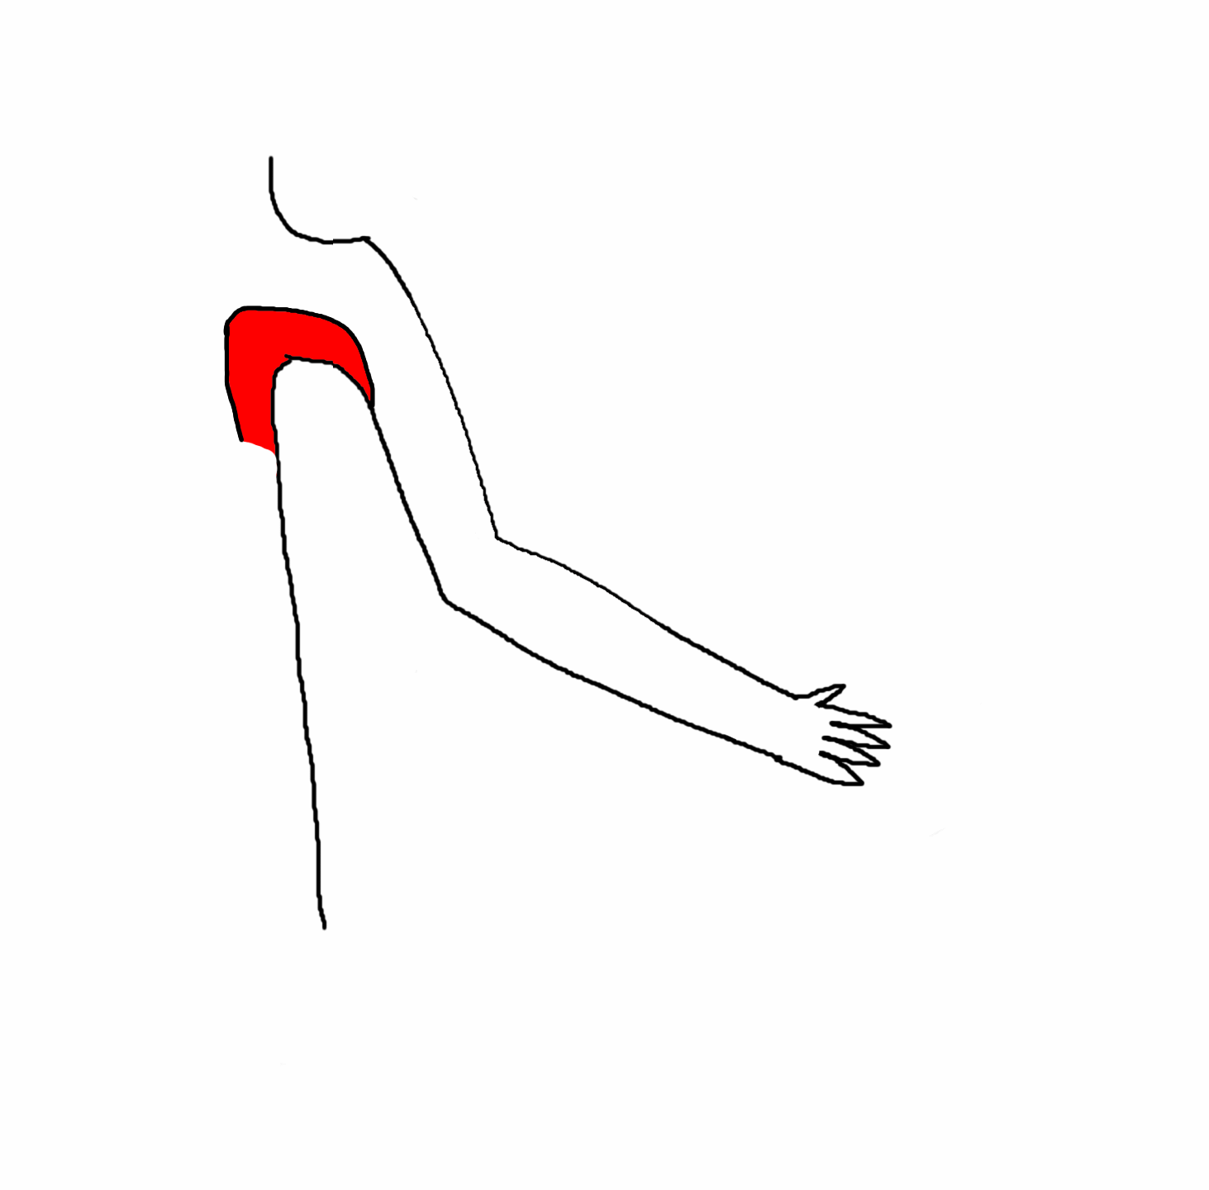
T2 |  | DT2a

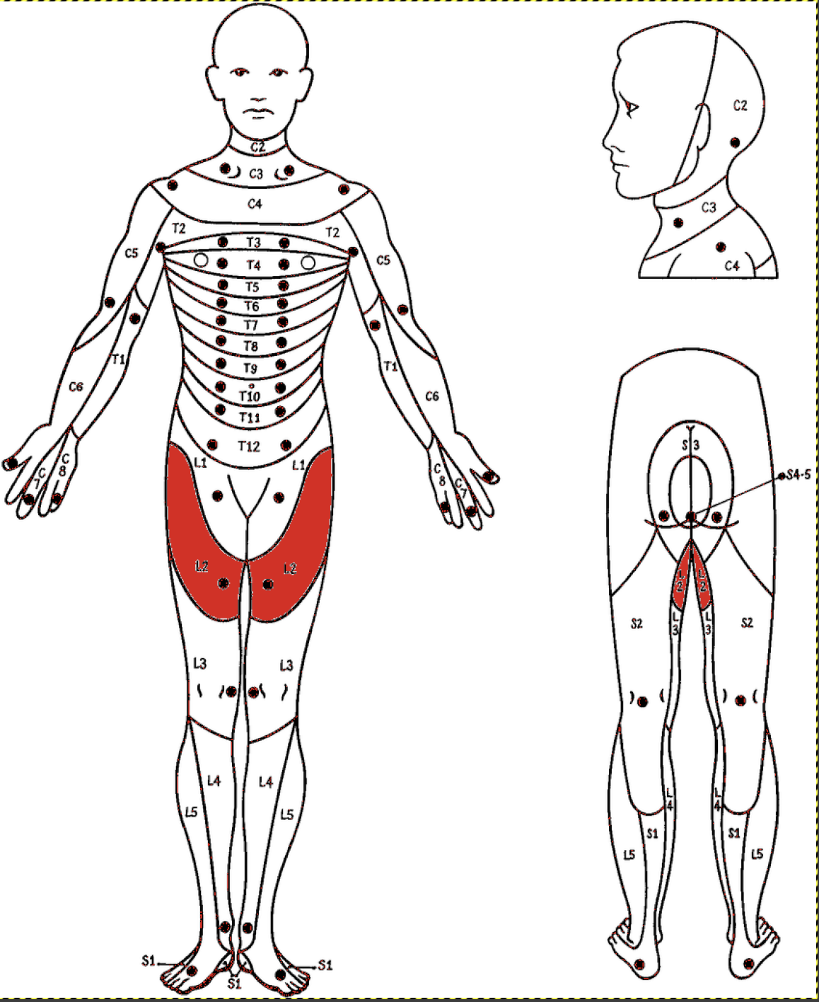
L1
L2

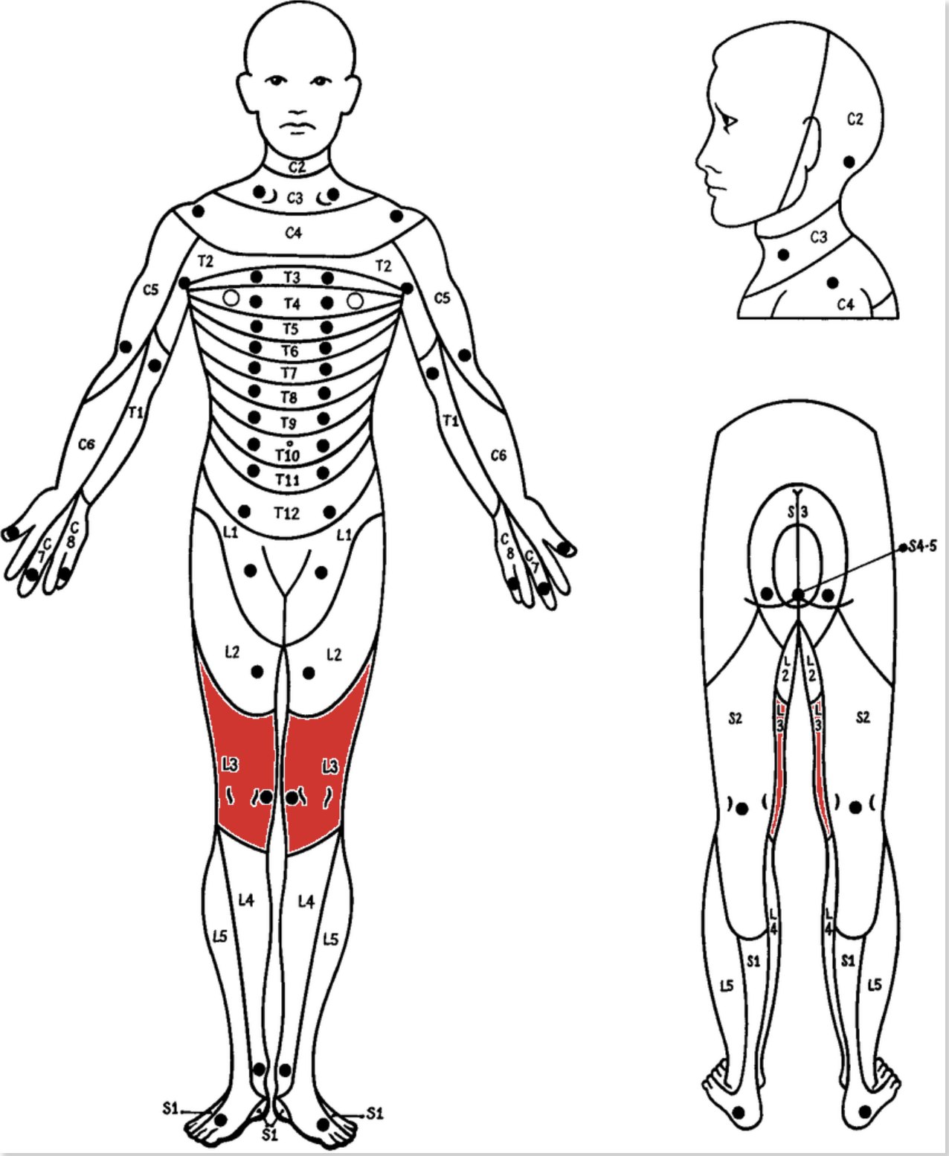
L3

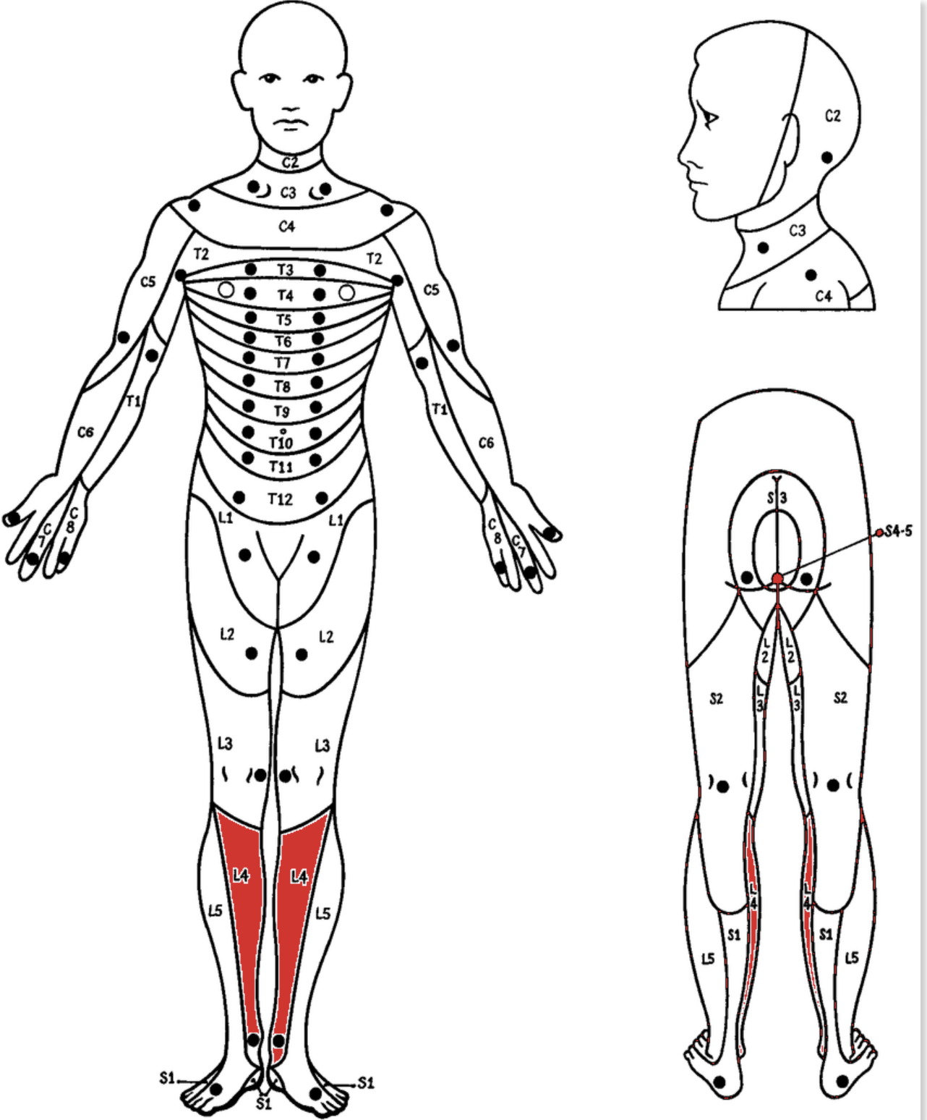
L4

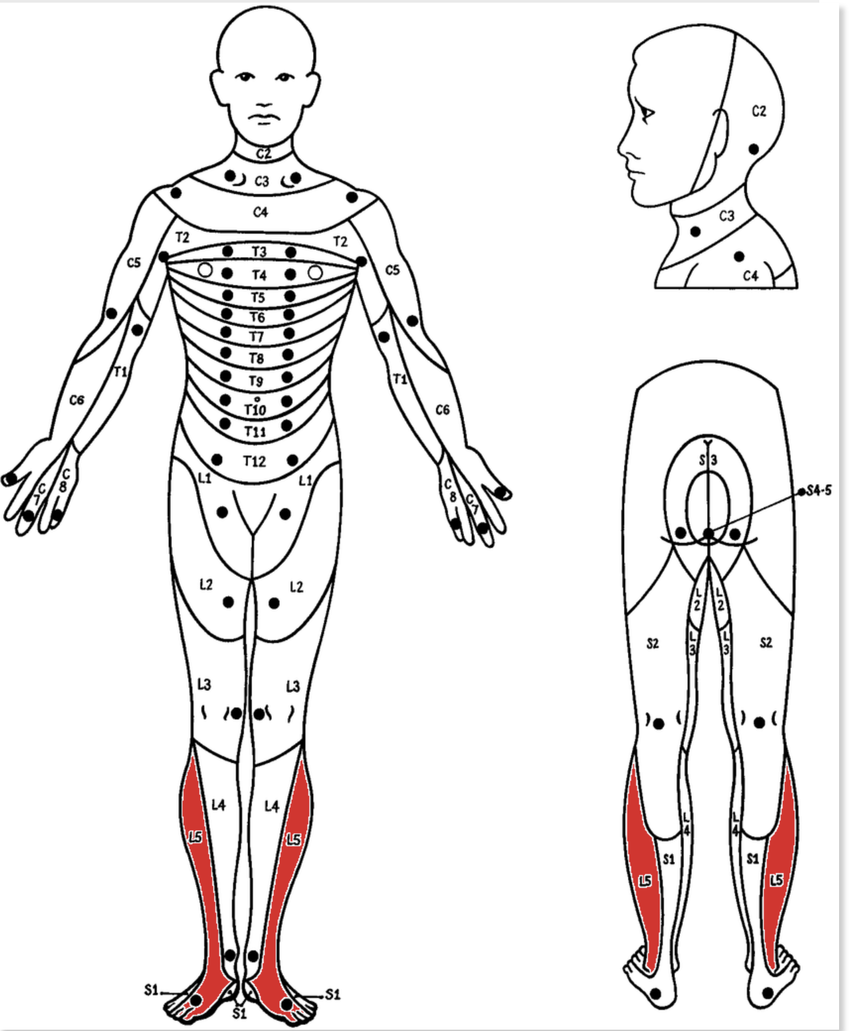
L5

S1-S5

Peripheral nerves
Nerves to include: | Musculocutaneous | Axillary | Radial | Median | Ulnar | Femoral | Obturator | Sciatic | Tibial | Common fibular (peroneal) | Deep fibular | Superficial fibular | Superior Gluteal | Inferior Gluteral | Sacral plexus? | maybe more?

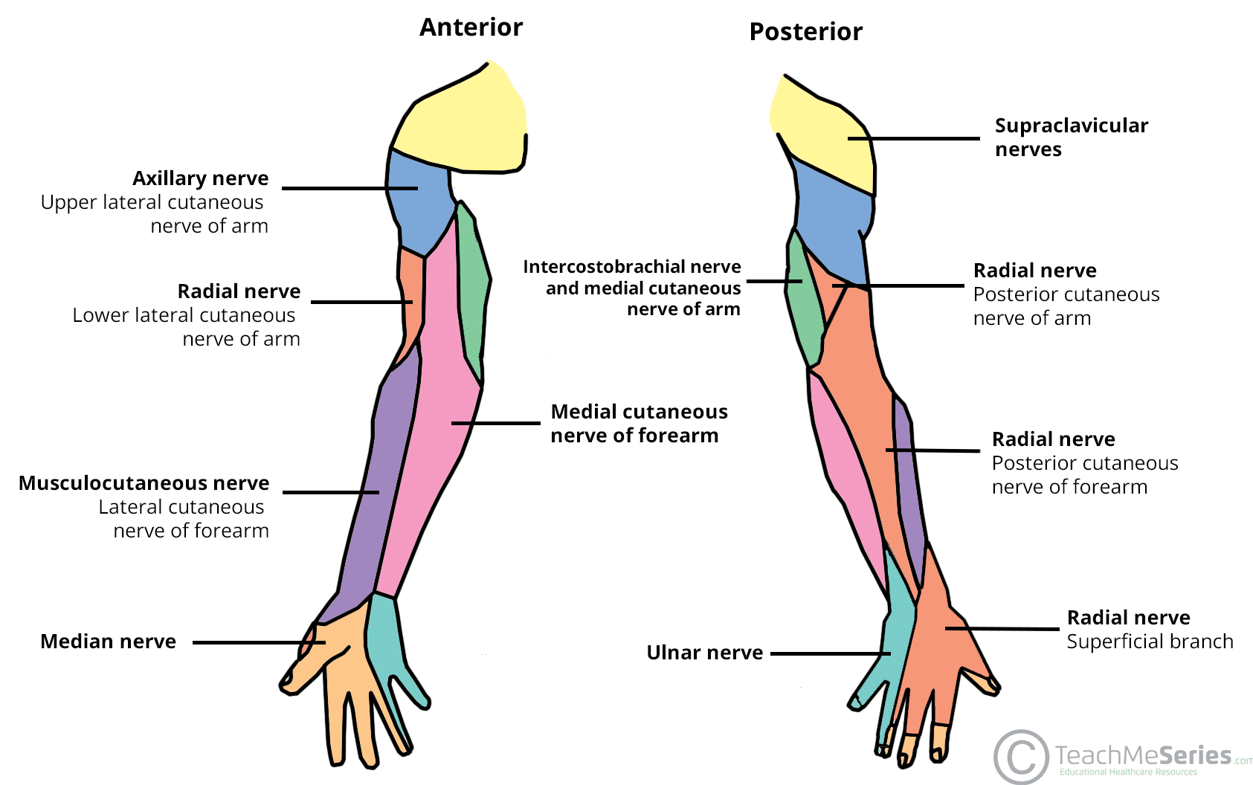
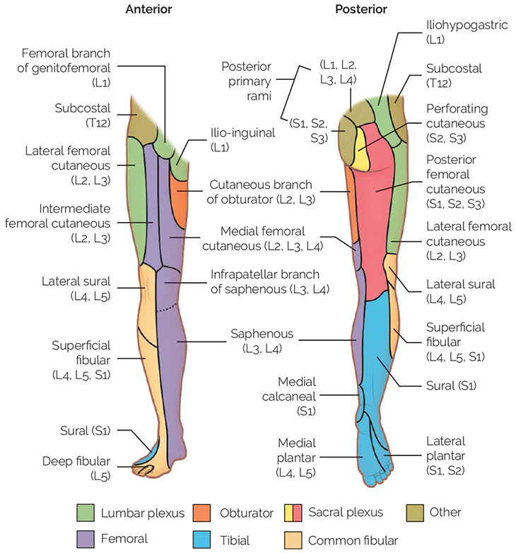
Sensory (not all of these):

Motor: | Musculocutaneous

 | Elbow flexion

 | Axillary

 | Shoulder abduction

 | Radial

 | Wrist extension (wrist drop in radial nerve palsy) |  |  |  |  | Digit extension

 | Median

 | Pronation |  |  |  |  | Wrist flexion

 | Ulnar

 | Digit Abduction and Adduction

 | Femoral

 | Knee extension

 | Obturator

 | Hip adduction

 | Sciatic

 | Knee flexion

 | Tibial

 | Plantarflexion

 | Common fibular (peroneal)

 | None

 | Deep fibular

 | Dorsiflexion

 | Superficial Fibular

 | Foot eversion

 | Superior Gluteal

 | Hip abduction (Trendelenburg sign if palsy)

 | Inferior Gluteal

 | Hip extension

Myotomes (Unorganized)
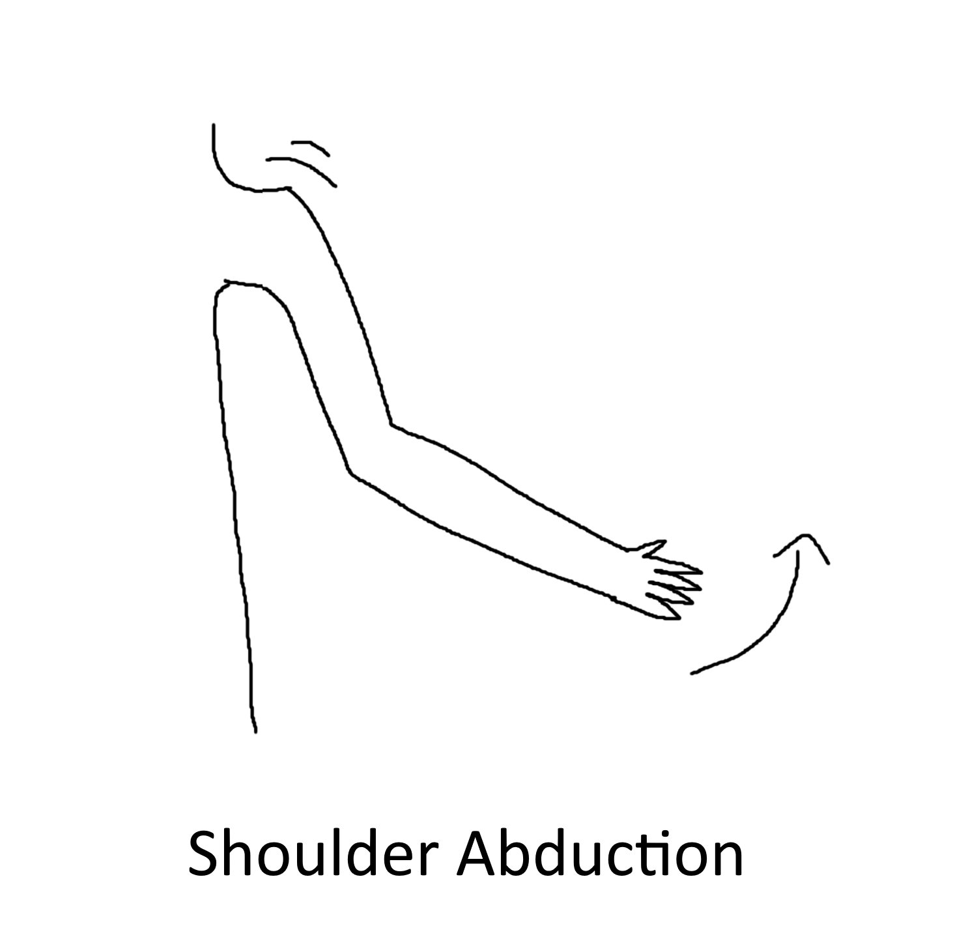
Nerve Root | Movement | Image | Image ID |  |  | Reference Images
C5 | Shoulder Abduction |  | MC5a

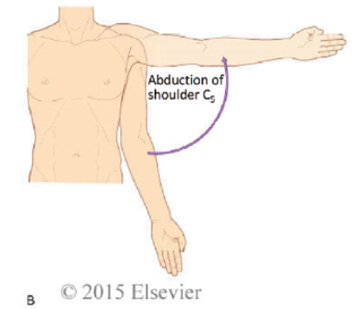

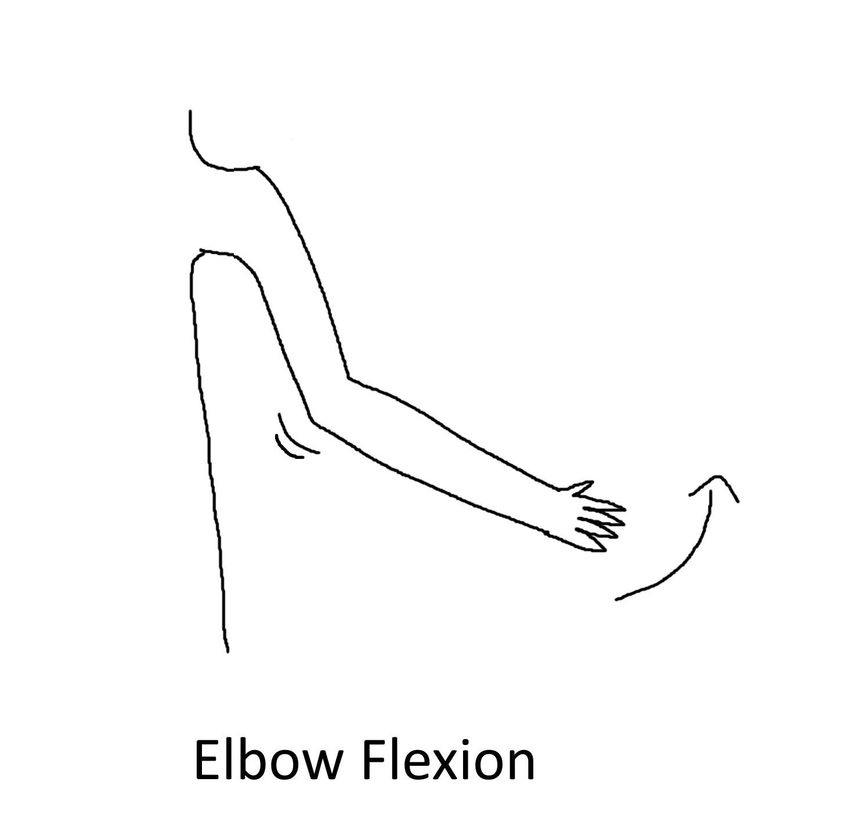
 | Elbow Flexion |  | MC5b

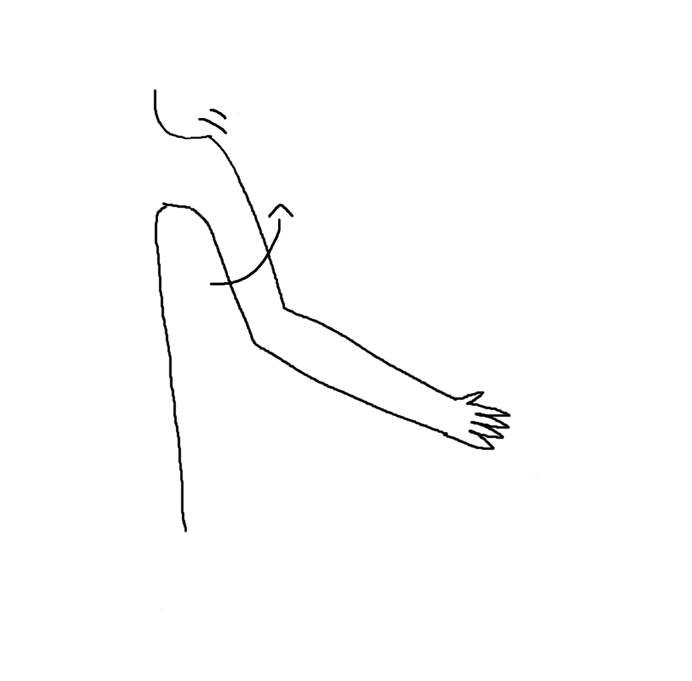
 | Arm External Rotation |  | MC5c

C6 | Elbow Flexion |  | MC5b

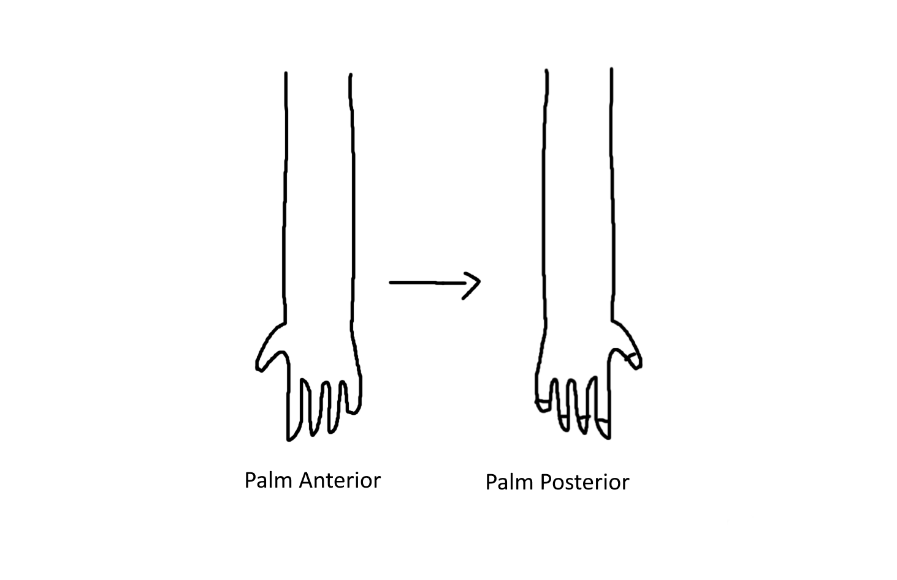
 | Pronation |  |  |  | MC6a

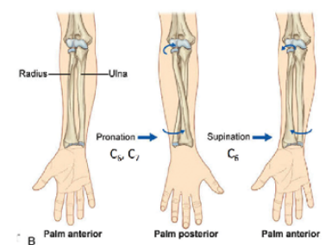

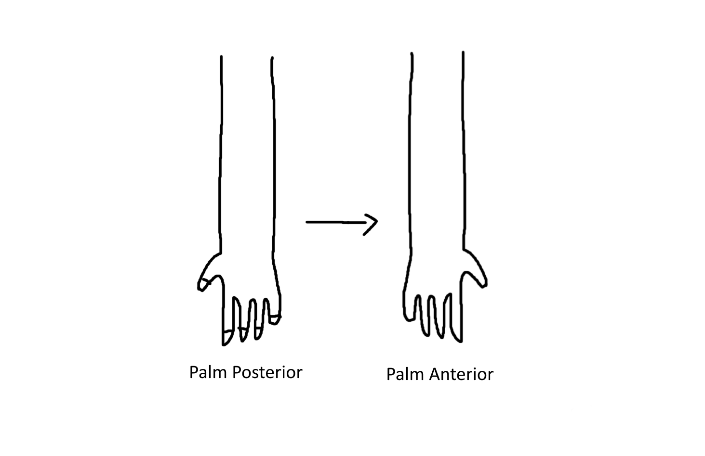
 | Supination |  |  |  | MC6b

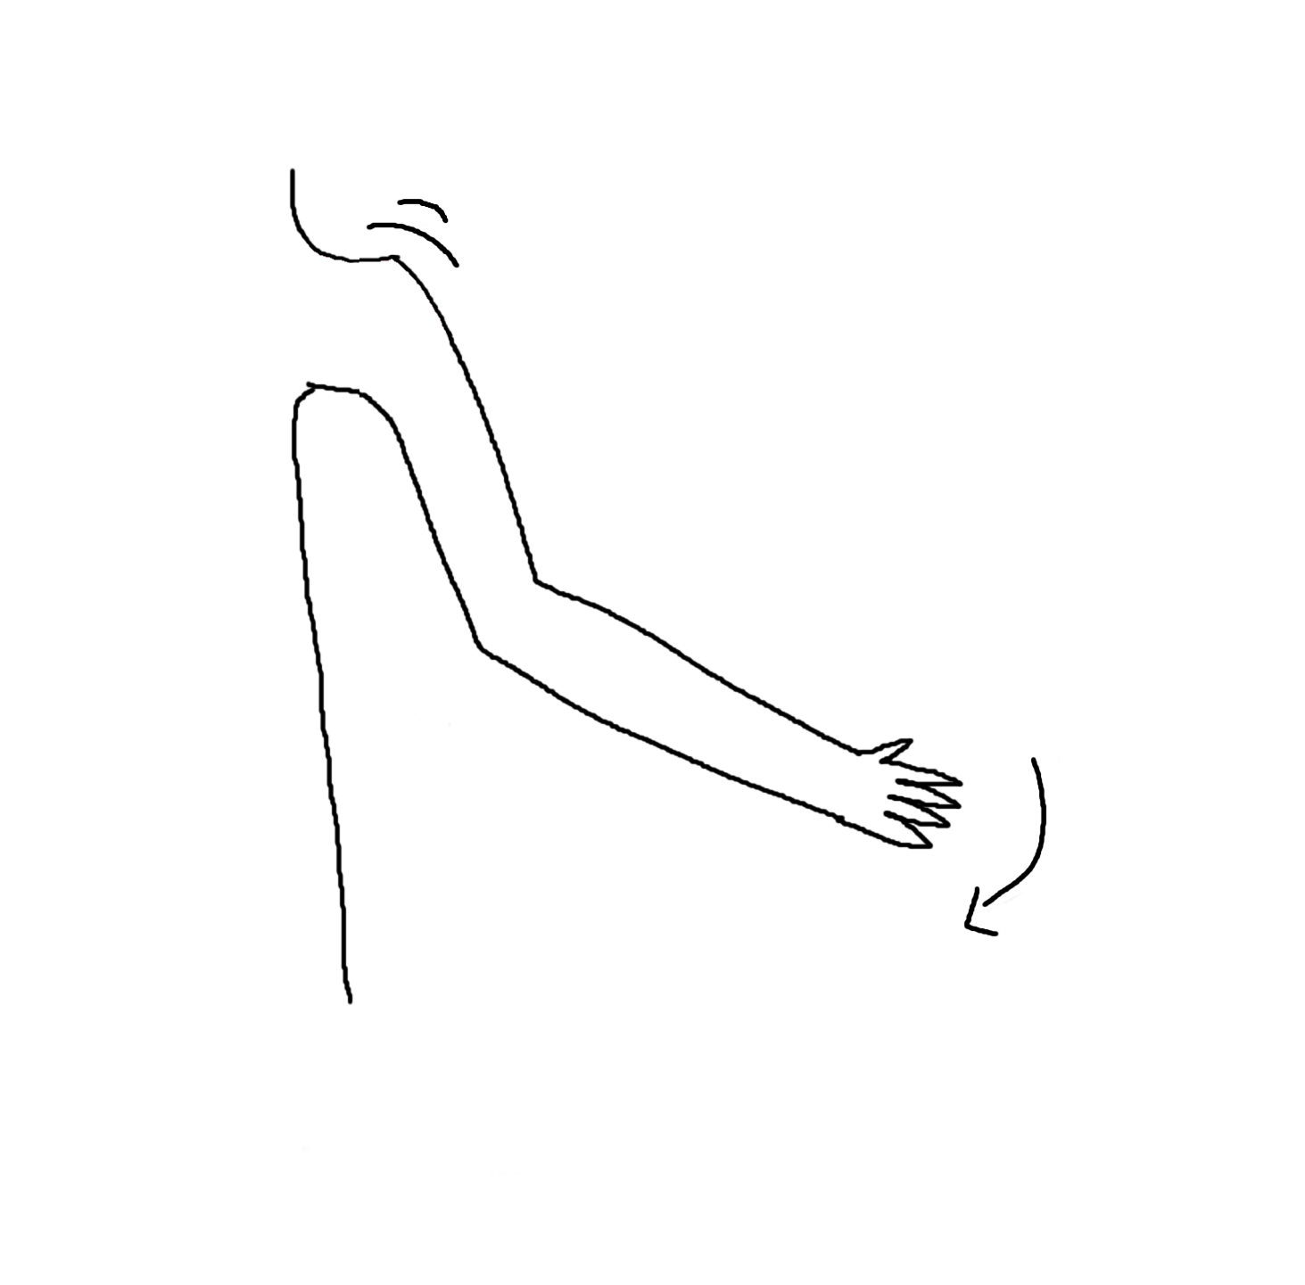
 | Shoulder Adduction |  |  | MC6c

 | Arm External Rotation |  |  | MC5c

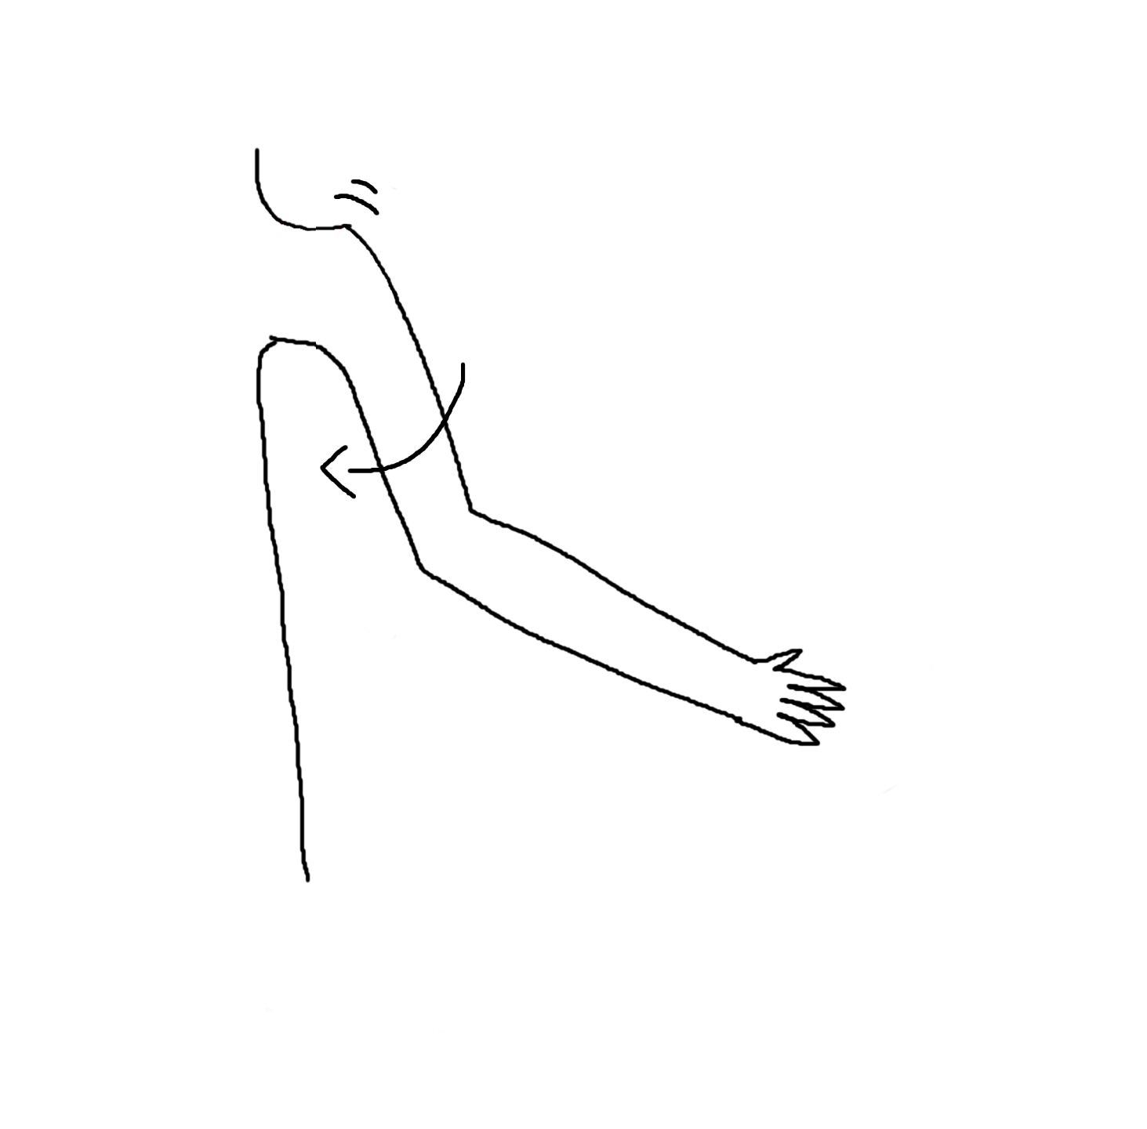
 | Arm Internal Rotation |  |  | MC6d

C7 | Shoulder Adduction |  |  | MC6c

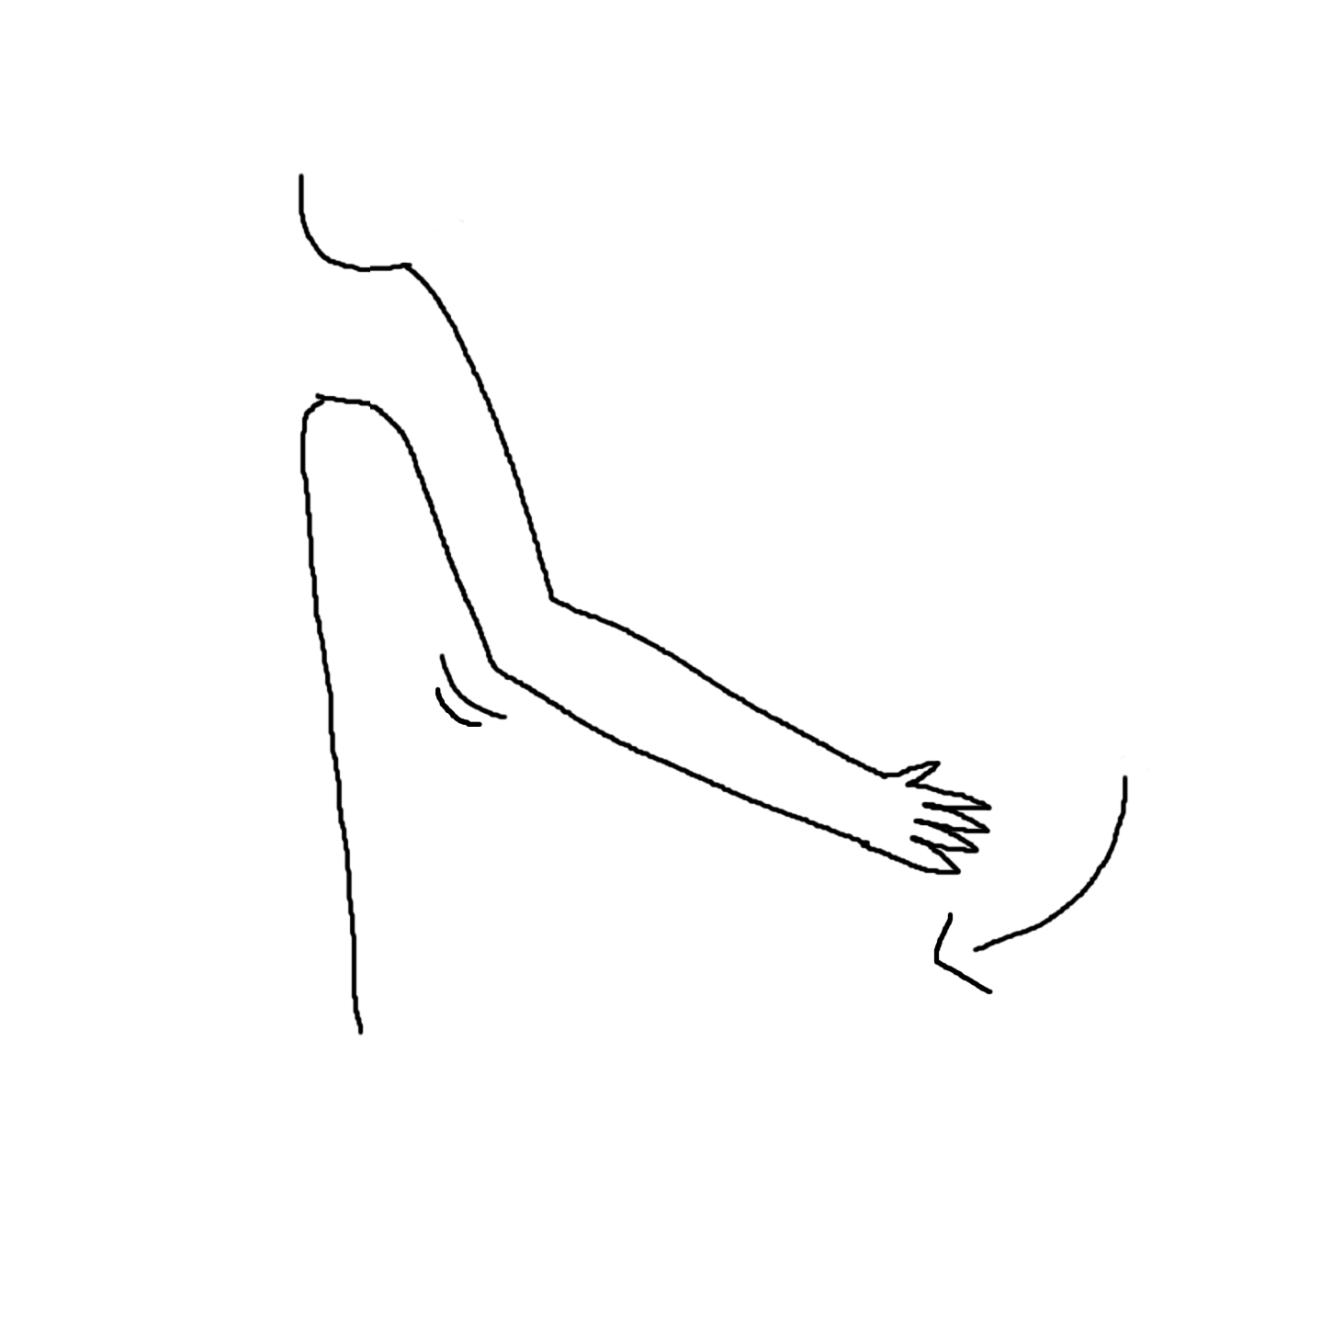
 | Elbow Extension
 |  |  |  | MC7a

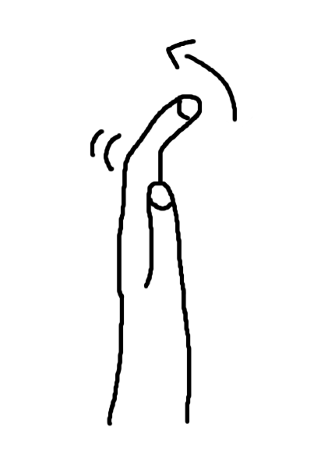
 | Digit Extension |  |  | MC7b
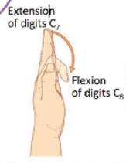

 | Pronation |  |  | MC6a

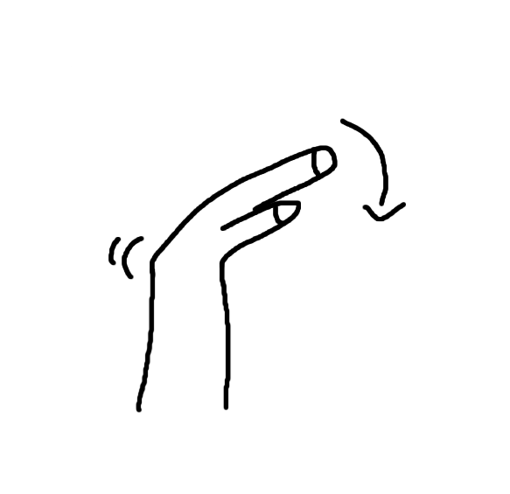
 | Wrist Flexion |  |  | MC7c

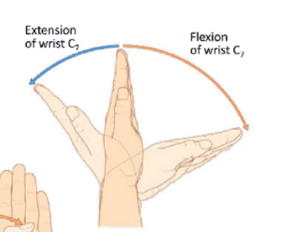

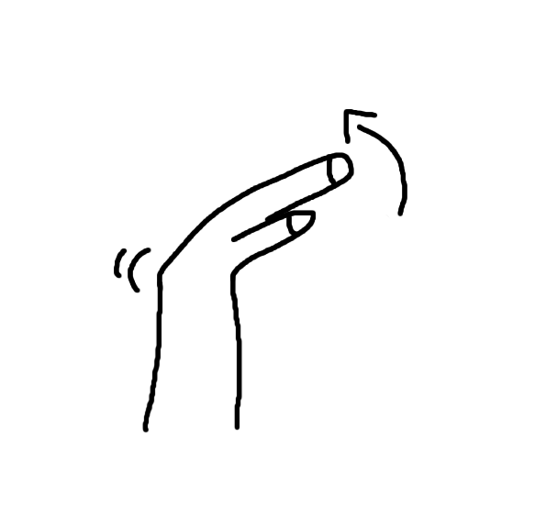
 | Wrist Extension |  |  | MC7d

 | Arm Internal Rotation |  |  | MC6d

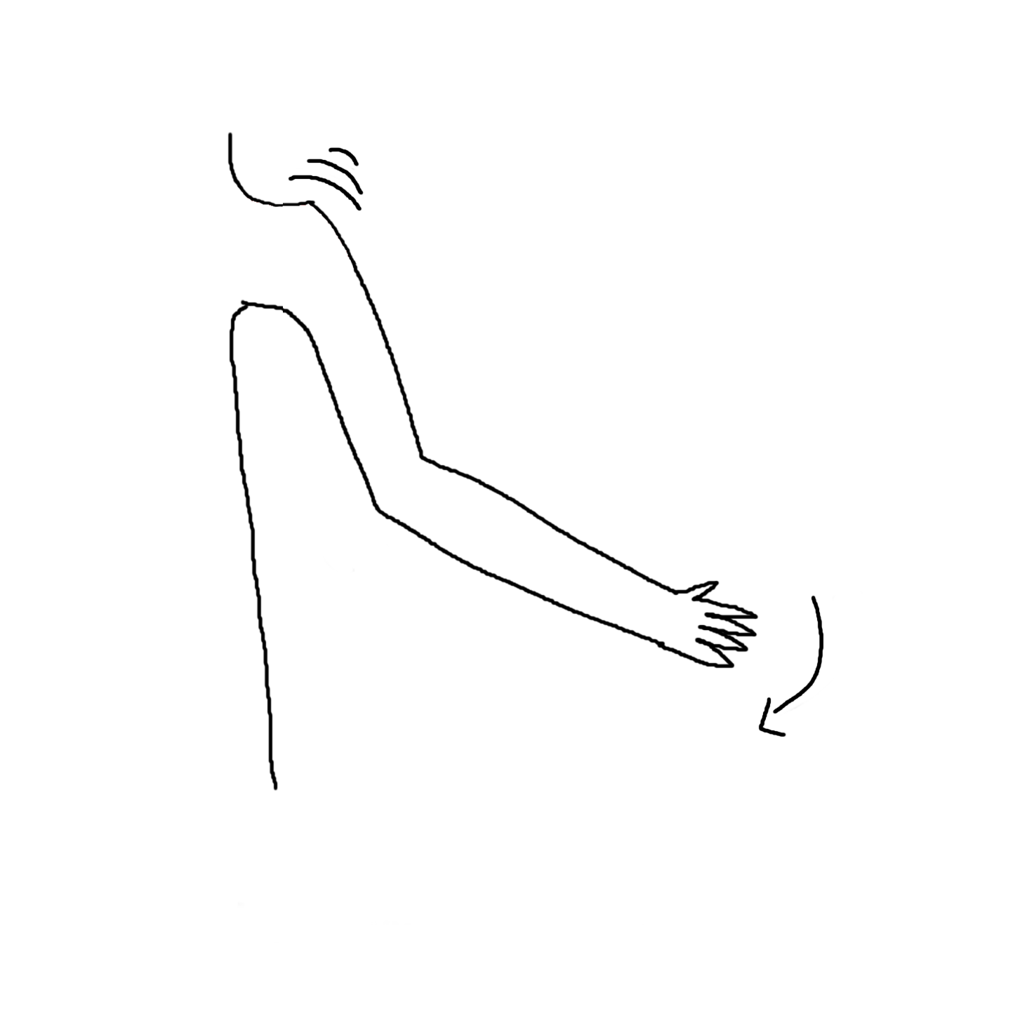
C8 | Shoulder Adduction |  |  | MC6c


 | Digit Flexion |  |  | MC8a


 | Digit Abduction |  |  | MC8b


 | Digit Adduction |  |  | MC8c



T1 | Digit Abduction |  |  | MC8b


 | Digit Adduction |  |  | MC8c

L1 | Hip Flexion |  |  | ML1a



L2 | Hip Flexion |  |  | ML1a


 | Hip Adduction |  |  | ML2a

 | (but drawn better)

L3 | Hip Adduction |  |  | ML2a


 | Knee Extension |  |  | ML3a

L4 | Hip adduction |  |  | ML2a

 | Knee extension |  |  | ML3a


 | Hip internal rotation |  |  | ML4a


 | Foot dorsiflexion |  |  | ML4b


 |  |  |  | ML4c
 | Foot inversion

 | (but drawn better?)


L5 | Hip extension |  |  | ML5a


 | Hip abduction |  |  | ML5b

 | Hip internal rotation |  |  | ML4a


 | Hip external rotation |  |  | ML5c


 | Knee flexion |  |  | ML5d

 | Foot dorsiflexion |  |  | ML4b


 | Great toe extension |  |  | ML5e

 | only big toe

 | Foot inversion |  |  | ML4c


 | Foot eversion |  |  | ML5f

 | (but drawn better?)

 | Toe extension |  |  | ML5g

S1 | Hip extension |  |  | ML5a

 | Hip external rotation |  |  | ML5c

 | Knee flexion |  |  | ML5d


 | Foot plantarflexion |  |  | MS1a

 | Great toe flexion |  |  | MS1b

 | only big toe

 | Toe flexion |  |  | MS1c

 | Foot eversion |  |  | ML5f

S2 | Toe flexion |  |  | MS1c

